Sheet2
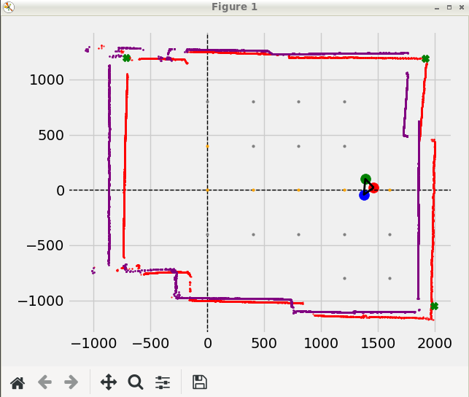

EKF | float test_sigma_r = 0.3;
 | float test_sigma_theta = 0.3;

 | float test_sigma_odo_x = 0.5;
 | float test_sigma_odo_y = 0.5;
 | float test_sigma_odo_theta = 30*PI/180;

Sheet3
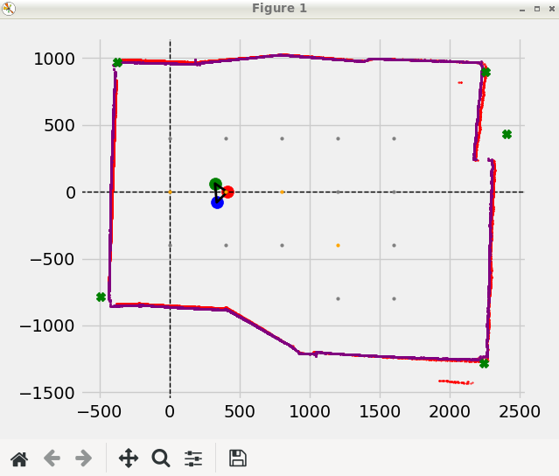
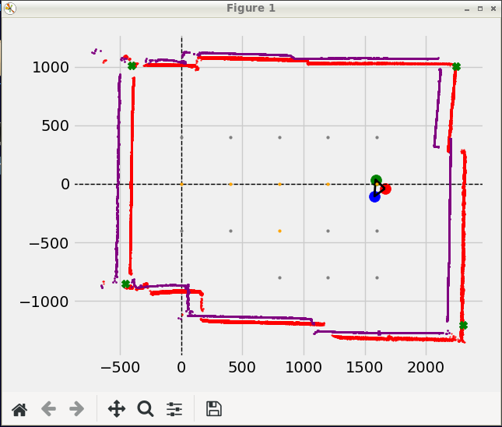
VERY GOOOD PERFECT | Y too big |  | Y still too big |  | Rotated too positive |  | Too left and too up |  | Too left and too up | Too left and too up
MC GO FORWARD FOR: 200 | NAVI: Run python |  | MC GO FORWARD FOR: 200 |  | MC started |  | MC GO FORWARD FOR: 200 |  | MC GO FORWARD FOR: 200 | MC GO FORWARD FOR: 200
TIME = 0.8881371021270752 s | MC started |  | TIME = 0.8591809272766113 s |  | MC:TURN: 0.0 deg |  | TIME = 0.9401736259460449 s |  | TIME = 0.8979246616363525 s | TIME = 0.8483915328979492 s
LEFT SPEED = 0.9570594426966992 rotations/s, ROTATIONS = 0.85 , TICKS = 17 | MC:TURN: 0.0 deg |  | LEFT SPEED = 1.0475092863767064 rotations/s, ROTATIONS = 0.9 , TICKS = 18 |  | ThetaL = -0.0 ThetaR = 0.0 |  | LEFT SPEED = 1.0104516589093502 rotations/s, ROTATIONS = 0.95 , TICKS = 19 |  | LEFT SPEED = 1.0579952200764224 rotations/s, ROTATIONS = 0.95 , TICKS = 19 | LEFT SPEED = 1.178701061035091 rotations/s, ROTATIONS = 1.0 , TICKS = 20
RIGHT SPEED = 1.1259522855255284 rotations/s, ROTATIONS = 1.0 , TICKS = 20 | ThetaL = -0.0 ThetaR = 0.0 |  | RIGHT SPEED = 1.1638992070852294 rotations/s, ROTATIONS = 1.0 , TICKS = 20 |  | MC GO FORWARD FOR: 200 |  | RIGHT SPEED = 1.063633325167737 rotations/s, ROTATIONS = 1.0 , TICKS = 20 |  | RIGHT SPEED = 1.113679179027813 rotations/s, ROTATIONS = 1.0 , TICKS = 20 | RIGHT SPEED = 1.060830954931582 rotations/s, ROTATIONS = 0.9 , TICKS = 18
MC measured angle x = 0.0 | 12m <= DISTANCE ! set to 4000mm |  | MC measured angle x = 0.0 |  | TIME = 0.8993337154388428 s |  | MC measured angle x = 0.0 |  | MC measured angle x = 0.0 | MC measured angle x = 0.0
Get diff for = 0.15000000000000002 | MC GO FORWARD FOR: 200 |  | Get diff for = 0.09999999999999998 |  | LEFT SPEED = 1.0563375793561056 rotations/s, ROTATIONS = 0.95 , TICKS = 19 |  | Get diff for = 0.050000000000000044 |  | Get diff for = 0.050000000000000044 | Get diff for = 0.09999999999999998
Angle Diff exists | TIME = 0.9017853736877441 s |  | Angle Diff exists |  | RIGHT SPEED = 1.1119342940590586 rotations/s, ROTATIONS = 1.0 , TICKS = 20 |  | MC: Possible angle = 0.0 |  | MC: Possible angle = 0.0 | Angle Diff exists
MC: Straight angle_diff = 8.210526315789473 | LEFT SPEED = 1.108911309916925 rotations/s, ROTATIONS = 1.0 , TICKS = 20 |  | MC: Straight angle_diff = 4.105263157894732 |  | MC measured angle x = 0.0 |  | Get diff for = 0.050000000000000044 |  | Get diff for = 0.050000000000000044 | MC: Straight angle_diff = -4.105263157894732
MC: Possible angle = 8.210526315789473 | RIGHT SPEED = 1.0534657444210787 rotations/s, ROTATIONS = 0.95 , TICKS = 19 |  | MC: Possible angle = 4.105263157894732 |  | Get diff for = 0.050000000000000044 |  | MC: Angle turned = 0.0 |  | MC: Angle turned = 0.0 | MC: Possible angle = -4.105263157894732
Get diff for = 0.15000000000000002 | MC measured angle x = 0.0 |  | Get diff for = 0.09999999999999998 |  | MC: Possible angle = 0.0 |  | MC: distance moved = 193.99334635916972 |  | MC: distance moved = 193.99334635916972 | Get diff for = 0.09999999999999998
Angle Diff exists | Get diff for = 0.050000000000000044 |  | Angle Diff exists |  | Get diff for = 0.050000000000000044 |  | ret/cpp = 0 |  | ret/cpp = 0 | Angle Diff exists
MC: Straight angle_diff = 8.210526315789473 | MC: Possible angle = 0.0 |  | MC: Straight angle_diff = 4.105263157894732 |  | MC: Angle turned = 0.0 |  | LEAVNG RUN |  | LEAVNG RUN | MC: Straight angle_diff = -4.105263157894732
MC: Angle turned = 8.210526315789473 | Get diff for = 0.050000000000000044 |  | MC: Angle turned = 4.105263157894732 |  | MC: distance moved = 193.99334635916972 |  | please enter something: l |  | please enter something: l | MC: Angle turned = -4.105263157894732
MC: distance moved = 173.57299411083608 | MC: Angle turned = 0.0 |  | MC: distance moved = 183.7831702350029 |  | ret/cpp = 0 |  | Entering scan loop |  | Entering scan loop | MC: distance moved = 204.20352248333654
ret/cpp = 0 | MC: distance moved = 204.20352248333654 |  | ret/cpp = 0 |  | LEAVNG RUN |  | Entering scan loop |  | Entering scan loop | ret/cpp = 0
LEAVNG RUN | ret/cpp = 0 |  | LEAVNG RUN |  | please enter something: l |  | MAIN: FetchedScan = 8285 |  | MAIN: FetchedScan = 8240 | LEAVNG RUN
please enter something: l | LEAVNG RUN |  | please enter something: ^[[A |  | Entering scan loop |  |  |  |  | please enter something: l
Entering scan loop | please enter something: l |  | Entering scan loop |  | Entering scan loop |  | i = 6 |  | i = 7 | Entering scan loop
Entering scan loop | Entering scan loop |  | Entering scan loop |  | MAIN: FetchedScan = 8289 |  | ------------------------------------------------------------------------------------------------------------ |  | ------------------------------------------------------------------------------------------------------------ | Entering scan loop
MAIN: FetchedScan = 8228 | Entering scan loop |  | MAIN: FetchedScan = 8244 |  |  |  |  |  |  | MAIN: FetchedScan = 8214
 | MAIN: FetchedScan = 8282 |  |  |  | i = 5 |  | EKF UPDATE MOTION FOR 193.993mm and 0 |  | EKF UPDATE MOTION FOR 193.993mm and 0
i = 2 |  |  | i = 4 |  | ------------------------------------------------------------------------------------------------------------ |  |  |  |  | i = 8
------------------------------------------------------------------------------------------------------------ | i = 3 |  | ------------------------------------------------------------------------------------------------------------ |  |  |  | MAIN: after_motion State: x=1241.29, y=-4.91631, w=1.54295 deg |  | MAIN: after_motion State: x=1458.56, y=-12.3237, w=-0.218542 deg | ------------------------------------------------------------------------------------------------------------
 | ------------------------------------------------------------------------------------------------------------ |  |  |  | EKF UPDATE MOTION FOR 193.993mm and 0
EKF UPDATE MOTION FOR 173.573mm and 8.21053 |  |  | EKF UPDATE MOTION FOR 183.783mm and 4.10526 |  |  |  | Number of CAR points8285B x size = 8285 |  | Number of CAR points8240B x size = 8240 | EKF UPDATE MOTION FOR 204.204mm and -4.10526
 | EKF UPDATE MOTION FOR 204.204mm and 0 |  |  |  | MAIN: after_motion State: x=1028.32, y=7.23491, w=-2.57937 deg |  | LM: Corners = (898.388,1087.76),(959.527,-1252.79), |  | LM: Corners = (655.171,1099.06),(743.668,-1256.17),
MAIN: after_motion State: x=391.097, y=21.831, w=5.9261 deg |  |  | MAIN: after_motion State: x=812.021, y=34.1536, w=2.45427 deg |  |  |  | DATA: NUMBER OF CORNERS POINTS = 2 |  | DATA: NUMBER OF CORNERS POINTS = 2 | MAIN: after_motion State: x=1670.31, y=-35.4934, w=-5.36308 deg
 | MAIN: after_motion State: x=630.604, y=-3.37536, w=0.65447 deg |  |  |  | Number of CAR points8289B x size = 8289 |  | (898.388,1087.76) | (959.527,-1252.79) | |  | (655.171,1099.06) | (743.668,-1256.17) |
Number of CAR points8228B x size = 8228 |  |  | Number of CAR points8244B x size = 8244 |  | LM: Corners = (1204.43,-1242.41), |  | EKF: after_ekf State: x=1252.07, y=2.70105, w=-4.63455 deg |  | EKF: after_ekf State: x=1460.97, y=-8.90616, w=-7.27643 deg | Number of CAR points8214B x size = 8214
LM: Corners = (1825.41,1014.58),(-800.464,1043.56),(1846.36,-1234.9), | Number of CAR points8282B x size = 8282 |  | LM: Corners = (1329.15,1104.88),(1453.36,-1237.79),(-1250.23,-925.428), |  | DATA: NUMBER OF CORNERS POINTS = 1 |  | EKF: after_ekf State: x=1264.56, y=-11.5837, w=-0.218542 deg |  | EKF: after_ekf State: x=1462.26, y=-10.3207, w=-1.25782 deg | LM: Corners = (394.152,1135.09),(575.547,-1201.79),
DATA: NUMBER OF CORNERS POINTS = 3 | LM: Corners = (1544.54,1105.14),(1677.33,-1254.13), |  | DATA: NUMBER OF CORNERS POINTS = 3 |  | (1204.43,-1242.41) | |  |  |  |  | DATA: NUMBER OF CORNERS POINTS = 2
(1825.41,1014.58) | (-800.464,1043.56) | (1846.36,-1234.9) | | DATA: NUMBER OF CORNERS POINTS = 2 |  | (1329.15,1104.88) | (1453.36,-1237.79) | (-1250.23,-925.428) | |  | EKF: after_ekf State: x=1047.36, y=-10.1398, w=1.54295 deg |  | MAIN: after_ekf State: x=1264.56, y=-11.5837, w=-0.218542 deg |  | MAIN: after_ekf State: x=1462.26, y=-10.3207, w=-1.25782 deg | (394.152,1135.09) | (575.547,-1201.79) |
EKF: after_ekf State: x=400.863, y=26.7821, w=-0.816186 deg | (1544.54,1105.14) | (1677.33,-1254.13) | |  | EKF: after_ekf State: x=817.531, y=37.5571, w=-5.57942 deg |  |  |  | (2251.44,1000.26) | (-407.656,1012) | (2307.21,-1202.32) | (-456.615,-852.616) | |  | (2252.36,997.613) | (-407.979,1012.05) | (2307.47,-1201.18) | (-457.084,-852.931) | | EKF: after_ekf State: x=1667.97, y=-44.5096, w=-10.144 deg
EKF: after_ekf State: x=422.512, y=3.50905, w=1.25794 deg | EKF: after_ekf State: x=637.941, y=0.977175, w=-3.29755 deg |  | EKF: after_ekf State: x=834.519, y=15.9653, w=-2.57937 deg |  | MAIN: after_ekf State: x=1047.36, y=-10.1398, w=1.54295 deg |  | MAIN: Store Map Points |  | MAIN: Store Map Points | EKF: after_ekf State: x=1665.14, y=-40.4455, w=-3.48454 deg
EKF: after_ekf State: x=426.414, y=-5.70786, w=0.65447 deg | EKF: after_ekf State: x=623.361, y=20.4457, w=-1.65099 deg |  | EKF: after_ekf State: x=834.519, y=15.9653, w=-2.57937 deg |  | (2248.52,1009.54) | (-406.475,1011.83) | (2305.56,-1207.19) | (-455.449,-851.831) | |  | Fit Cartesian for: (1264.56,-11.5837) | -0.218542 |  | Fit Cartesian for: (1462.26,-10.3207) | -1.25782
 |  |  |  |  | MAIN: Store Map Points |  |  |  |  | MAIN: after_ekf State: x=1665.14, y=-40.4455, w=-3.48454 deg
MAIN: after_ekf State: x=426.414, y=-5.70786, w=0.65447 deg | MAIN: after_ekf State: x=623.361, y=20.4457, w=-1.65099 deg |  | MAIN: after_ekf State: x=834.519, y=15.9653, w=-2.57937 deg |  | Fit Cartesian for: (1047.36,-10.1398) | 1.54295 |  |  |  |  | (2249.87,1005.72) | (-406.708,1011.84) | (2305.77,-1206.92) | (-455.162,-851.638) |
(2248.97,1012.61) | (-404.913,1011.88) | (2299.4,-1218.1) | | (2251.62,1006.17) | (-404.909,1011.35) | (2297.29,-1227.44) | |  | (2250.02,1008.23) | (-405.6,1011.64) | (2301.65,-1216.42) | (-456.087,-852.261) | |  |  |  |  |  |  | MAIN: Store Map Points
MAIN: Store Map Points |  |  | MAIN: Store Map Points |  |  |  |  |  |  | Fit Cartesian for: (1665.14,-40.4455) | -3.48454
Fit Cartesian for: (426.414,-5.70786) | 0.65447 |  |  | Fit Cartesian for: (834.519,15.9653) | -2.57937

VERY ACCURATE SCAN @ 99.1857 %

No of New Points = 0

CSV: Saving Full Map (overwriting old)
GRID: In grid data process
Map Bounds = xmin: 2323.25, xmax-467.364, ymin1096.63, ymax-1352.82
Points Pushed = 1
Traversed = (400,0) 1
GRID:SAVED TO CSV
In pre-map movement
NAVI: Find Point Straight
NAVI: nextPoint: We on Y-axis and point on y exists
ClosestPoint = (800,-800)
In PathFinder
Start = 400, 0
Goal = 800, -800
GridMap size = 10Path: (400, 0) (800, 0) (800, -400) (800, -800)
Dumped Traversed = (800,-400) 1
Shortened Path: (800,0)(800,-800)
mapped = 0Go to -> (800,0)
ClosestPoint = (800,0)
NAVI,GRID rotate angle = 0.220859
NAVI,GRID then distance = 373.355
NAVI,GRID to visit: (800,0)
NAVI: Set angle = 0.220859 deg Set Distance = 373.355mm
NAVI: Run python
MC started
MC:TURN: 0.0 deg
ThetaL = -0.0 ThetaR = 0.0
12m <= DISTANCE ! set to 4000mm
MC GO FORWARD FOR: 200
TIME = 0.9017853736877441 s
LEFT SPEED = 1.108911309916925 rotations/s, ROTATIONS = 1.0 , TICKS = 20
RIGHT SPEED = 1.0534657444210787 rotations/s, ROTATIONS = 0.95 , TICKS = 19
MC measured angle x = 0.0
Get diff for = 0.050000000000000044
MC: Possible angle = 0.0
Get diff for = 0.050000000000000044
MC: Angle turned = 0.0
MC: distance moved = 204.20352248333654
ret/cpp = 0
LEAVNG RUN

Run2
Perfect | Too left and too up |  | Too left and too up |  | Rotated too positive with a focus on bottom left
MC GO FORWARD FOR: 200 | MC GO FORWARD FOR: 200 |  | MC GO FORWARD FOR: 200 |  | lMC GO FORWARD FOR: 200
TIME = 0.8995101451873779 s | TIME = 0.8821730613708496 s |  | TIME = 0.9100415706634521 s |  | TIME = 0.8911802768707275 s
LEFT SPEED = 1.0561303895045058 rotations/s, ROTATIONS = 0.95 , TICKS = 19 | LEFT SPEED = 1.0768862047586796 rotations/s, ROTATIONS = 0.95 , TICKS = 19 |  | LEFT SPEED = 1.0988509011417633 rotations/s, ROTATIONS = 1.0 , TICKS = 20 |  | LEFT SPEED = 1.066002047684236 rotations/s, ROTATIONS = 0.95 , TICKS = 19
RIGHT SPEED = 1.111716199478427 rotations/s, ROTATIONS = 1.0 , TICKS = 20 | RIGHT SPEED = 1.133564426061768 rotations/s, ROTATIONS = 1.0 , TICKS = 20 |  | RIGHT SPEED = 1.043908356084675 rotations/s, ROTATIONS = 0.95 , TICKS = 19 |  | RIGHT SPEED = 1.1221074186149853 rotations/s, ROTATIONS = 1.0 , TICKS = 20
MC measured angle x = 0.0 | MC measured angle x = 0.0 |  | MC measured angle x = 0.0 |  | MC measured angle x = 0.0
Get diff for = 0.050000000000000044 | Get diff for = 0.050000000000000044 |  | Get diff for = 0.050000000000000044 |  | Get diff for = 0.050000000000000044
MC: Possible angle = 0.0 | MC: Possible angle = 0.0 |  | MC: Possible angle = 0.0 |  | MC: Possible angle = 0.0
Get diff for = 0.050000000000000044 | Get diff for = 0.050000000000000044 |  | Get diff for = 0.050000000000000044 |  | Get diff for = 0.050000000000000044
MC: Angle turned = 0.0 | MC: Angle turned = 0.0 |  | MC: Angle turned = 0.0 |  | MC: Angle turned = 0.0
MC: distance moved = 193.99334635916972 | MC: distance moved = 193.99334635916972 |  | MC: distance moved = 204.20352248333654 |  | MC: distance moved = 193.99334635916972
ret/cpp = 0 | ret/cpp = 0 |  | ret/cpp = 0 |  | ret/cpp = 0
LEAVNG RUN | LEAVNG RUN |  | LEAVNG RUN |  | LEAVNG RUN
please enter something: l | please enter something: l |  | please enter something: l |  | please enter something: l
Entering scan loop | Entering scan loop |  | Entering scan loop |  | Entering scan loop
Entering scan loop | Entering scan loop |  | Entering scan loop |  | Entering scan loop
MAIN: FetchedScan = 8426 | MAIN: FetchedScan = 8464 |  | MAIN: FetchedScan = 8438 |  | MAIN: FetchedScan = 8423

i = 1 | i = 2 |  | i = 3 |  | i = 4
------------------------------------------------------------------------------------------------------------ | ------------------------------------------------------------------------------------------------------------ |  | ------------------------------------------------------------------------------------------------------------ |  | ------------------------------------------------------------------------------------------------------------

EKF UPDATE MOTION FOR 193.993mm and 0 | EKF UPDATE MOTION FOR 193.993mm and 0 |  | EKF UPDATE MOTION FOR 204.204mm and 0 |  | EKF UPDATE MOTION FOR 193.993mm and 0

MAIN: after_motion State: x=193.993, y=-2.0809e-05, w=-6.14614e-06 deg | MAIN: after_motion State: x=420.873, y=-10.6299, w=-0.95399 deg |  | MAIN: after_motion State: x=644.34, y=1.71452, w=0.139163 deg |  | MAIN: after_motion State: x=843.702, y=15.3223, w=-0.913457 deg

Number of CAR points8426B x size = 8426 | Number of CAR points8464B x size = 8464 |  | Number of CAR points8438B x size = 8438 |  | Number of CAR points8423B x size = 8423
LM: Corners = (1835.59,1022.58),(-794.348,1031.54),(1874.02,-1218.6), | LM: Corners = (1608.86,1018.63),(1624.94,-1344.47),(1629.01,-1222.91), |  | LM: Corners = (1370.9,1035.96),(1411.84,-1311.83),(-1281.67,-884.952), |  | LM: Corners = (1213.66,-1273.15),
DATA: NUMBER OF CORNERS POINTS = 3 | DATA: NUMBER OF CORNERS POINTS = 3 |  | DATA: NUMBER OF CORNERS POINTS = 3 |  | DATA: NUMBER OF CORNERS POINTS = 1
(1835.59,1022.58) | (-794.348,1031.54) | (1874.02,-1218.6) | | (1608.86,1018.63) | (1624.94,-1344.47) | (1629.01,-1222.91) | |  | (1370.9,1035.96) | (1411.84,-1311.83) | (-1281.67,-884.952) | |  | (1213.66,-1273.15) |
Using z: r = 2101.2, a = 29.1215 || cap: r 2132.07, a = 27.5494 || D: r = -30.8704, a = 1.57213 | Using z: r = 1904.21, a = 32.3394 || cap: r 1937.14, a = 31.832 || D: r = -32.926, a = 0.507422 |  | Using z: r = 1718.31, a = 37.0776 || cap: r 1737.42, a = 33.9604 || D: r = -19.106, a = 3.1172 |  | Using z: r = 1758.94, a = -46.3703 || cap: r 1782.29, a = -45.0392 || D: r = -23.3511, a = -1.33107
D: x = -30.8587 || y = -30.8587 || a = 1.57213 | D: x = -32.9247 || y = -32.9247 || a = 0.507422 |  | D: x = -19.0777 || y = -19.0777 || a = 3.1172 |  | D: x = -23.3448 || y = -23.3448 || a = -1.33107
Gain*z: x = 19.5539 || y = 9.56215 || a = -1.5114 | Gain*z: x = 20.5164 || y = 11.7918 || a = -0.0828167 |  | Gain*z: x = 12.0564 || y = 7.54871 || a = -2.85615 |  | Gain*z: x = 11.5382 || y = -11.7721 || a = 1.00696
EKF: after_ekf State: x=213.547, y=9.56213, w=-1.5114 deg | EKF: after_ekf State: x=441.389, y=1.16182, w=-1.03681 deg |  | EKF: after_ekf State: x=656.396, y=9.26323, w=-2.71698 deg |  | EKF: after_ekf State: x=855.24, y=3.55028, w=0.0935012 deg
Using z: r = 1301.95, a = 127.598 || cap: r 1281.46, a = 128.417 || D: r = 20.4933, a = -0.818407 | Using z: r = 2109.04, a = -39.6043 || cap: r 2072.82, a = -36.5792 || D: r = 36.2153, a = -3.02518 |  | Using z: r = 1927.23, a = -42.8971 || cap: r 1911.61, a = -38.9528 || D: r = 15.6204, a = -3.9443
D: x = 20.4912 || y = 20.4912 || a = -0.818407 | D: x = 36.1649 || y = 36.1649 || a = -3.02518 |  | D: x = 15.5834 || y = 15.5834 || a = -3.9443 |  | MAIN: after_ekf State: x=855.24, y=3.55028, w=0.0935012 deg
Gain*z: x = 9.66604 || y = -10.9791 || a = 0.815938 | Gain*z: x = -15.6399 || y = 20.7405 || a = 1.24389 |  | Gain*z: x = -6.66339 || y = 9.15177 || a = 1.80353 |  | (2083.81,970.967) | (-554.58,1035.6) | (2085.81,-1258.99) | (-645.779,-845.926) |
EKF: after_ekf State: x=223.213, y=-1.41702, w=-0.695466 deg | EKF: after_ekf State: x=425.749, y=21.9023, w=0.207083 deg |  | EKF: after_ekf State: x=649.733, y=18.415, w=-0.913457 deg |  | MAIN: Store Map Points
Using z: r = 2235.38, a = -33.0345 || cap: r 2257.33, a = -33.5787 || D: r = -21.9524, a = 0.544192 | Using z: r = 2036.96, a = -36.8958 || cap: r 2102.22, a = -38.2327 || D: r = -65.2572, a = 1.33687 |  | Using z: r = 1557.5, a = -145.376 || cap: r 1557.5, a = -145.376 || D: r = 0, a = 0 |  | Fit Cartesian for: (855.24,3.55028) | 0.0935012
D: x = -21.9514 || y = -21.9514 || a = 0.544192 | D: x = -65.2394 || y = -65.2394 || a = 1.33687 |  | D: x = 0 || y = 0 || a = 0
Gain*z: x = 3.69283 || y = -5.98304 || a = -0.258524 | Gain*z: x = 14.3879 || y = -20.6838 || a = -0.0679202 |  | Gain*z: x = 0 || y = 0 || a = -0
EKF: after_ekf State: x=226.906, y=-7.40006, w=-0.95399 deg | EKF: after_ekf State: x=440.137, y=1.21854, w=0.139163 deg |  | EKF: after_ekf State: x=649.733, y=18.415, w=-0.913457 deg

MAIN: after_ekf State: x=226.906, y=-7.40006, w=-0.95399 deg | MAIN: after_ekf State: x=440.137, y=1.21854, w=0.139163 deg |  | MAIN: after_ekf State: x=649.733, y=18.415, w=-0.913457 deg
(2083.45,983.531) | (-554.745,1034.39) | (2083.88,-1263.55) | | (2083.03,975.766) | (-554.229,1035.31) | (2084.91,-1260.49) | |  | (2085.04,970.402) | (-554.039,1035.22) | (2082.84,-1265.73) | (-645.878,-845.992) |
MAIN: Store Map Points | MAIN: Store Map Points |  | MAIN: Store Map Points
Fit Cartesian for: (226.906,-7.40006) | -0.95399 | Fit Cartesian for: (440.137,1.21854) | 0.139163 |  | Fit Cartesian for: (649.733,18.415) | -0.913457

Run2
perfect
MC GO FORWARD FOR: 200
TIME = 0.9699556827545166 s
LEFT SPEED = 1.0309749381128037 rotations/s, ROTATIONS = 1.0 , TICKS = 20
RIGHT SPEED = 0.9794261912071635 rotations/s, ROTATIONS = 0.95 , TICKS = 19
MC measured angle x = 0.0
Get diff for = 0.050000000000000044
MC: Possible angle = 0.0
Get diff for = 0.050000000000000044
MC: Angle turned = 0.0
MC: distance moved = 204.20352248333654
ret/cpp = 0
LEAVNG RUN
please enter something: k
Entering scan loop
Entering scan loop
MAIN: FetchedScan = 8304

i = 1
------------------------------------------------------------------------------------------------------------

EKF UPDATE MOTION FOR 204.204mm and 0

MAIN: after_motion State: x=204.204, y=0, w=0 deg

Number of CAR points8304B x size = 8304
LM: Corners = (2062.67,961.241),(-577.647,1037.95),(2030.85,-1301.34),
DATA: NUMBER OF CORNERS POINTS = 3
(2062.67,961.241) | (-577.647,1037.95) | (2030.85,-1301.34) |

D: r = -4.42993, a = -1.57662
G: r = 3.13469, a = 1.58194
used%: r = -70.7616, a = -100.337
EKF: after_ekf State: x=207.043, y=1.32711, w=1.58194 deg

D: r = 7.90222, a = -0.213225
G: r = 5.59492, a = 1.85469
used%: r = 70.8019, a = -869.828
EKF: after_ekf State: x=210.642, y=-2.95702, w=1.85469 deg

D: r = -8.90723, a = -0.591908
G: r = 2.8664, a = 2.02707
used%: r = -32.1806, a = -342.464
EKF: after_ekf State: x=212.518, y=-5.12447, w=2.02707 deg

MAIN: after_ekf State: x=212.518, y=-5.12447, w=2.02707 deg
(2244,1019.93) | (-398.292,1013.86) | (2300.59,-1217.78) |
MAIN: Store Map Points
Fit Cartesian for: (212.518,-5.12447) | 2.02707

Run 3
MC GO FORWARD FOR: 200
TIME = 0.948129415512085 s
LEFT SPEED = 1.0547083379539488 rotations/s, ROTATIONS = 1.0 , TICKS = 20
RIGHT SPEED = 1.0019729210562514 rotations/s, ROTATIONS = 0.95 , TICKS = 19
MC measured angle x = 0.0
Get diff for = 0.050000000000000044
MC: Possible angle = 0.0
Get diff for = 0.050000000000000044
MC: Angle turned = 0.0
MC: distance moved = 204.20352248333654
ret/cpp = 0
LEAVNG RUN
please enter something: l
Entering scan loop
Entering scan loop
MAIN: FetchedScan = 8254

i = 1
------------------------------------------------------------------------------------------------------------

EKF UPDATE MOTION FOR 204.204mm and 0

MAIN: after_motion State: x=204.204, y=-1.76108e-05, w=-4.94136e-06 deg

Number of CAR points8254B x size = 8254
LM: Corners = (2035.03,994.696),(-604.27,1033.07),(2036.15,-1268.05),
DATA: NUMBER OF CORNERS POINTS = 3
(2035.03,994.696) | (-604.27,1033.07) | (2036.15,-1268.05) |

D: r = -16.4014, a = 1.13992
G: r = 11.6664, a = -1.10228
used%: r = -71.131, a = -96.6979
EKF: after_ekf State: x=214.913, y=4.62794, w=-1.10228 deg

D: r = -45.1654, a = 1.52931
G: r = 31.8047, a = -2.81
used%: r = -70.4184, a = -183.743
EKF: after_ekf State: x=195.12, y=29.5232, w=-2.81 deg

D: r = -50.1997, a = -2.20671
G: r = 15.9513, a = -2.19981
used%: r = -31.7757, a = 99.6872
EKF: after_ekf State: x=204.531, y=16.6443, w=-2.19981 deg

MAIN: after_ekf State: x=204.531, y=16.6443, w=-2.19981 deg
(2262.83,957.609) | (-322.887,1107.9) | (2248.46,-1266.75) |
MAIN: Store Map Points
Fit Cartesian for: (204.531,16.6443) | -2.19981

Run5
Rotated around top right too negative | Rotated around top right too negative |  | Rotated around top right too positive
MC GO FORWARD FOR: 200 | MC GO FORWARD FOR: 200 |  | MC GO FORWARD FOR: 200
TIME = 0.9072532653808594 s | TIME = 0.8522214889526367 s |  | TIME = 0.9186465740203857 s
LEFT SPEED = 0.9368938447889468 rotations/s, ROTATIONS = 0.85 , TICKS = 17 | LEFT SPEED = 1.1734038779390321 rotations/s, ROTATIONS = 1.0 , TICKS = 20 |  | LEFT SPEED = 0.9797021242469991 rotations/s, ROTATIONS = 0.9 , TICKS = 18
RIGHT SPEED = 1.1022280526928785 rotations/s, ROTATIONS = 1.0 , TICKS = 20 | RIGHT SPEED = 1.056063490145129 rotations/s, ROTATIONS = 0.9 , TICKS = 18 |  | RIGHT SPEED = 1.088557915829999 rotations/s, ROTATIONS = 1.0 , TICKS = 20
MC measured angle x = 0.0 | MC measured angle x = 0.0 |  | MC measured angle x = 0.0
Get diff for = 0.15000000000000002 | Get diff for = 0.09999999999999998 |  | Get diff for = 0.09999999999999998
Angle Diff exists | Angle Diff exists |  | Angle Diff exists
MC: Straight angle_diff = 8.210526315789473 | MC: Straight angle_diff = -4.105263157894732 |  | MC: Straight angle_diff = 4.105263157894732
MC: Possible angle = 8.210526315789473 | MC: Possible angle = -4.105263157894732 |  | MC: Possible angle = 4.105263157894732
Get diff for = 0.15000000000000002 | Get diff for = 0.09999999999999998 |  | Get diff for = 0.09999999999999998
Angle Diff exists | Angle Diff exists |  | Angle Diff exists
MC: Straight angle_diff = 8.210526315789473 | MC: Straight angle_diff = -4.105263157894732 |  | MC: Straight angle_diff = 4.105263157894732
MC: Angle turned = 8.210526315789473 | MC: Angle turned = -4.105263157894732 |  | MC: Angle turned = 4.105263157894732
MC: distance moved = 173.57299411083608 | MC: distance moved = 204.20352248333654 |  | MC: distance moved = 183.7831702350029
ret/cpp = 0 | ret/cpp = 0 |  | ret/cpp = 0
LEAVNG RUN | LEAVNG RUN |  | LEAVNG RUN
please enter something: k | please enter something: l |  | please enter something: l
Entering scan loop | Entering scan loop |  | Entering scan loop
Entering scan loop | Entering scan loop |  | Entering scan loop
MAIN: FetchedScan = 8196 | MAIN: FetchedScan = 8200 |  | MAIN: FetchedScan = 8223

i = 1 | i = 2 |  | i = 3
------------------------------------------------------------------------------------------------------------ | ------------------------------------------------------------------------------------------------------------ |  | ------------------------------------------------------------------------------------------------------------

EKF UPDATE MOTION FOR 173.573mm and 8.21053 | EKF UPDATE MOTION FOR 204.204mm and -4.10526 |  | EKF UPDATE MOTION FOR 183.783mm and 4.10526

MAIN: after_motion State: x=181.103, y=37.0835, w=8.21053 deg | MAIN: after_motion State: x=406.369, y=11.3556, w=-5.55158 deg |  | MAIN: after_motion State: x=600.255, y=20.2952, w=-0.890249 deg

Number of CAR points8196B x size = 8196 | Number of CAR points8200B x size = 8200 |  | Number of CAR points8223B x size = 8223
LM: Corners = (2066.29,913.65),(-564.433,1041.46),(2025.84,-1325.3), | LM: Corners = (-825.294,1008.89),(1878.94,-1197.97), |  | LM: Corners = (1655.77,-1292.35),
DATA: NUMBER OF CORNERS POINTS = 3 | DATA: NUMBER OF CORNERS POINTS = 2 |  | DATA: NUMBER OF CORNERS POINTS = 1
(2066.29,913.65) | (-564.433,1041.46) | (2025.84,-1325.3) | | (-825.294,1008.89) | (1878.94,-1197.97) | |  | (1655.77,-1292.35) |

D: r = -22.0688, a = 9.38462 | D: r = -15.8142, a = 0.458907 |  | D: r = 12.0869, a = -0.137239
G: r = 15.9411, a = -1.10893 | G: r = 12.0462, a = -6.28656 |  | G: r = 8.95807, a = -0.74938
used%: r = -72.2333, a = -99.3056 | used%: r = -76.173, a = -160.16 |  | used%: r = 74.1138, a = -102.645
EKF: after_ekf State: x=195.987, y=42.7931, w=-1.10893 deg | EKF: after_ekf State: x=397.987, y=20.007, w=-6.28656 deg |  | EKF: after_ekf State: x=593.046, y=25.6141, w=-0.74938 deg

D: r = -13.3014, a = 0.595155 | D: r = -30.4978, a = -3.1232 |  | MAIN: after_ekf State: x=593.046, y=25.6141, w=-0.74938 deg
G: r = 9.29915, a = -1.67966 | G: r = 13.3454, a = -4.99551 |  | (2273.14,911.995) | (-298.89,1120.61) | (2228.9,-1288.5) |
used%: r = -69.9111, a = -95.8957 | used%: r = -43.7586, a = -41.3375 |  | MAIN: Store Map Points
EKF: after_ekf State: x=190.4, y=50.2271, w=-1.67966 deg | EKF: after_ekf State: x=411.116, y=17.617, w=-4.99551 deg |  | Fit Cartesian for: (593.046,25.6141) | -0.74938

D: r = -49.136, a = -1.17051 | MAIN: after_ekf State: x=411.116, y=17.617, w=-4.99551 deg
G: r = 15.277, a = -1.44631 | (2272.67,911.815) | (-298.226,1120.94) | (2229.47,-1286.14) | |  | NOT ACCURATE SCAN @ 1.69038 %
used%: r = -31.0912, a = -19.9351 | MAIN: Store Map Points
EKF: after_ekf State: x=198.401, y=37.2126, w=-1.44631 deg | Fit Cartesian for: (411.116,17.617) | -4.99551

MAIN: after_ekf State: x=198.401, y=37.2126, w=-1.44631 deg
(2279.29,914.281) | (-317.423,1114.33) | (2234.44,-1298.84) |
MAIN: Store Map Points
Fit Cartesian for: (198.401,37.2126) | -1.44631

Too negative around top right | Perfect |  | Too left and up |  | Rotated too negative around top right and still y too big
MC GO FORWARD FOR: 200 | MC GO FORWARD FOR: 200 |  | MC GO FORWARD FOR: 200 |  | MC GO FORWARD FOR: 200
TIME = 1.0925533771514893 s | TIME = 0.8679213523864746 s |  | TIME = 0.8044288158416748 s |  | TIME = 0.8921163082122803 s
LEFT SPEED = 0.9152870888626102 rotations/s, ROTATIONS = 1.0 , TICKS = 20 | LEFT SPEED = 1.094569222646543 rotations/s, ROTATIONS = 0.95 , TICKS = 19 |  | LEFT SPEED = 0.9944944589820034 rotations/s, ROTATIONS = 0.8 , TICKS = 16 |  | LEFT SPEED = 0.9527905634897791 rotations/s, ROTATIONS = 0.85 , TICKS = 17
RIGHT SPEED = 0.8695227344194796 rotations/s, ROTATIONS = 0.95 , TICKS = 19 | RIGHT SPEED = 1.1521781291016244 rotations/s, ROTATIONS = 1.0 , TICKS = 20 |  | RIGHT SPEED = 1.2431180737275043 rotations/s, ROTATIONS = 1.0 , TICKS = 20 |  | RIGHT SPEED = 1.1209300746938577 rotations/s, ROTATIONS = 1.0 , TICKS = 20
MC measured angle x = 0.0 | MC measured angle x = 0.0 |  | MC measured angle x = 0.0 |  | MC measured angle x = 0.0
Get diff for = 0.050000000000000044 | Get diff for = 0.050000000000000044 |  | Get diff for = 0.19999999999999996 |  | Get diff for = 0.15000000000000002
MC: Possible angle = 0.0 | MC: Possible angle = 0.0 |  | Angle Diff exists |  | Angle Diff exists
Get diff for = 0.050000000000000044 | Get diff for = 0.050000000000000044 |  | MC: Straight angle_diff = 12.315789473684204 |  | MC: Straight angle_diff = 8.210526315789473
MC: Angle turned = 0.0 | MC: Angle turned = 0.0 |  | MC: Possible angle = 12.315789473684204 |  | MC: Possible angle = 8.210526315789473
MC: distance moved = 204.20352248333654 | MC: distance moved = 193.99334635916972 |  | Get diff for = 0.19999999999999996 |  | Get diff for = 0.15000000000000002
ret/cpp = 0 | ret/cpp = 0 |  | Angle Diff exists |  | Angle Diff exists
LEAVNG RUN | LEAVNG RUN |  | MC: Straight angle_diff = 12.315789473684204 |  | MC: Straight angle_diff = 8.210526315789473
please enter something: l | please enter something: ll |  | MC: Angle turned = 12.315789473684204 |  | MC: Angle turned = 8.210526315789473
Entering scan loop | Entering scan loop |  | MC: distance moved = 163.36281798666926 |  | MC: distance moved = 173.57299411083608
Entering scan loop | Entering scan loop |  | ret/cpp = 0 |  | ret/cpp = 0
MAIN: FetchedScan = 9077 | MAIN: FetchedScan = 8236 |  | LEAVNG RUN |  | LEAVNG RUN
 |  |  | please enter something: |  | please enter something: l
i = 1 | i = 2 |  | l |  | Entering scan loop
------------------------------------------------------------------------------------------------------------ | ------------------------------------------------------------------------------------------------------------ |  | Entering scan loop |  | Entering scan loop
 |  |  | Entering scan loop |  | MAIN: FetchedScan = 8227
EKF UPDATE MOTION FOR 204.204mm and 0 | EKF UPDATE MOTION FOR 193.993mm and 0 |  | MAIN: FetchedScan = 8234
D: x = 204.204, y = 0, a = 0 | D: x = 193.443, y = -14.6062, a = 0 |  |  |  | i = 4
used%: x = inf, y = nan, a =nan | used%: x = 191.816, y = 20.1731, a =100 |  | i = 3 |  | ------------------------------------------------------------------------------------------------------------
 |  |  | ------------------------------------------------------------------------------------------------------------
MAIN: after_motion State: x=204.204, y=0, w=0 deg | MAIN: after_motion State: x=404.129, y=3.69114, w=-4.31802 deg |  |  |  | EKF UPDATE MOTION FOR 173.573mm and 8.21053
 |  |  | EKF UPDATE MOTION FOR 163.363mm and 12.3158 |  | D: x = 173.147, y = 12.1483, a = 8.21053
Number of CAR points9077B x size = 9077 | Number of CAR points8236B x size = 8236 |  | D: x = 161.741, y = 22.9633, a = 12.3158 |  | used%: x = 129.4, y = 125.72, a =-95.6227
LM: Corners = (-652.881,1003.34),(2102.2,-1158.05), | LM: Corners = (1922.9,-1094.63), |  | used%: x = 136.867, y = 330.358, a =-190.797
DATA: NUMBER OF CORNERS POINTS = 2 | DATA: NUMBER OF CORNERS POINTS = 1 |  |  |  | MAIN: after_motion State: x=762.093, y=59.3814, w=4.0134 deg
(-652.881,1003.34) | (2102.2,-1158.05) | | (1922.9,-1094.63) | |  | MAIN: after_motion State: x=600.456, y=32.9318, w=8.08061 deg
 |  |  |  |  | Number of CAR points8227B x size = 8227
D: r = -47.3983, a = 4.87901 | D: r = -33.197, a = -0.1817 |  | Number of CAR points8234B x size = 8234 |  | LM: Corners = (1394.91,1077.85),(1505.03,-1236.91),
G: r = 30.2328, a = -5.96466 | G: r = 23.0744, a = -4.23518 |  | LM: Corners = (1572.35,1112.81),(1741.94,-1213.6), |  | DATA: NUMBER OF CORNERS POINTS = 2
used%: r = -63.7846, a = -122.251 | used%: r = -69.5076, a = -45.5902 |  | DATA: NUMBER OF CORNERS POINTS = 2 |  | (1394.91,1077.85) | (1505.03,-1236.91) |
EKF: after_ekf State: x=184.402, y=22.8457, w=-5.96466 deg | EKF: after_ekf State: x=424.075, y=-7.9103, w=-4.23518 deg |  | (1572.35,1112.81) | (1741.94,-1213.6) |
 |  |  |  |  | D: r = 9.15942, a = 9.70793
D: r = -58.8667, a = -3.34799 | MAIN: after_ekf State: x=424.075, y=-7.9103, w=-4.23518 deg |  | D: r = 25.0234, a = 13.3707 |  | G: r = 6.15375, a = -5.83846
G: r = 26.6747, a = -4.31802 | (2247.04,983.528) | (-349.617,1094.87) | (2270.63,-1240.26) | |  | G: r = 15.4366, a = -6.35633 |  | used%: r = 67.1849, a = -101.483
used%: r = -45.3137, a = -49.183 | MAIN: Store Map Points |  | used%: r = 61.6885, a = -107.975 |  | EKF: after_ekf State: x=756.69, y=56.4355, w=-5.83846 deg
EKF: after_ekf State: x=210.686, y=18.2973, w=-4.31802 deg | Fit Cartesian for: (424.075,-7.9103) | -4.23518 |  | EKF: after_ekf State: x=586.015, y=27.4791, w=-6.35633 deg
 |  |  |  |  | D: r = -45.1696, a = -4.65349
MAIN: after_ekf State: x=210.686, y=18.2973, w=-4.31802 deg |  |  | D: r = 16.0632, a = -4.31907 |  | G: r = 30.1882, a = -3.40531
(2247.54,983.748) | (-351.134,1094.92) | (2270.66,-1245.25) | | NOT ACCURATE SCAN @ 54.4075 % |  | G: r = 10.9273, a = -4.19712 |  | used%: r = -66.833, a = -52.2867
MAIN: Store Map Points |  |  | used%: r = 68.027, a = -49.9925 |  | EKF: after_ekf State: x=776.35, y=33.5267, w=-3.40531 deg
Fit Cartesian for: (210.686,18.2973) | -4.31802 | No of New Points = 0 |  | EKF: after_ekf State: x=578.761, y=35.6519, w=-4.19712 deg
 |  |  |  |  | MAIN: after_ekf State: x=776.35, y=33.5267, w=-3.40531 deg
 | CSV: Saving Full Map (overwriting old) |  | MAIN: after_ekf State: x=578.761, y=35.6519, w=-4.19712 deg |  | (2249.41,994.508) | (-351.205,1094.75) | (2274.33,-1228.65) |
 | GRID: In grid data process |  | (2249.3,988.648) | (-350.283,1094.54) | (2269.9,-1241.28) | |  | MAIN: Store Map Points
 | Map Bounds = xmin: 2324.51, xmax-437.861, ymin1075.46, ymax-1365.1 |  | MAIN: Store Map Points |  | Fit Cartesian for: (776.35,33.5267) | -3.40531
 | Points Pushed = 1 |  | Fit Cartesian for: (578.761,35.6519) | -4.19712
 | Traversed = (400,0) 1
 | GRID:SAVED TO CSV |  |  |  | NOT ACCURATE SCAN @ 4.75264 %
 | In pre-map movement
 | NAVI: Find Point Straight |  |  |  | No of New Points = 6
 | NAVI: nextPoint: We on Y-axis and point on y exists
 | ClosestPoint = (800,-800) |  |  |  | CSV: Saving Full Map (overwriting old)
 | In PathFinder |  |  |  | GRID: In grid data process
 | Start = 400, 0 |  |  |  | Map Bounds = xmin: 2324.51, xmax-505.089, ymin1214.77, ymax-1365.1
 | Goal = 800, -800 |  |  |  | Points Pushed = 1
 | GridMap size = 10Path: (400, 0) (800, 0) (800, -400) (800, -800) |  |  |  | Traversed = (800,0) 1
 | Dumped Traversed = (800,-400) 1 |  |  |  | GRID:SAVED TO CSV
 | Shortened Path: (800,0)(800,-800) |  |  |  | In pre-map movement
 | mapped = 0Go to -> (800,0) |  |  |  | NAVI: Find Point Straight
 | ClosestPoint = (800,0) |  |  |  | NAVI: nextPoint: We on Y-axis and point on y exists
 | NAVI,GRID rotate angle = 5.44063 |  |  |  | ClosestPoint = (800,-800)
 | NAVI,GRID then distance = 368.985 |  |  |  | In PathFinder
 | NAVI,GRID to visit: (800,0) |  |  |  | Start = 800, 0
 | NAVI: Set angle = 5.44063 deg Set Distance = 368.985mm |  |  |  | Goal = 800, -800
 | NAVI: Run python |  |  |  | GridMap size = 10Path: (800, 0) (800, -400) (800, -800)
 | MC started |  |  |  | Dumped Traversed = (800,-400) 1
 | MC:TURN: 0.0 deg |  |  |  | Shortened Path: (800,-800)
 | ThetaL = -0.0 ThetaR = 0.0 |  |  |  | mapped = 0Go to -> (800,-800)
 | 12m <= DISTANCE ! set to 4000mm |  |  |  | ClosestPoint = (800,-800)
 | MC GO FORWARD FOR: 200 |  |  |  | NAVI,GRID rotate angle = -84.9694
 | TIME = 0.8044288158416748 s |  |  |  | NAVI,GRID then distance = 689.422
 | LEFT SPEED = 0.9944944589820034 rotations/s, ROTATIONS = 0.8 , TICKS = 16 |  |  |  | NAVI,GRID to visit: (800,-800)
 | RIGHT SPEED = 1.2431180737275043 rotations/s, ROTATIONS = 1.0 , TICKS = 20 |  |  |  | NAVI: Set angle = -84.9694 deg Set Distance = 689.422mm
 | MC measured angle x = 0.0 |  |  |  | NAVI: Run python
 | Get diff for = 0.19999999999999996 |  |  |  | MC started
 | Angle Diff exists |  |  |  | 12m <= DISTANCE ! set to 4000mm
 | MC: Straight angle_diff = 12.315789473684204 |  |  |  | MC:TURN: 0.0 deg
 | MC: Possible angle = 12.315789473684204 |  |  |  | ThetaL = -0.0 ThetaR = 0.0
 | Get diff for = 0.19999999999999996 |  |  |  | MC GO FORWARD FOR: 200
 | Angle Diff exists |  |  |  | TIME = 0.9216687679290771 s
 | MC: Straight angle_diff = 12.315789473684204 |  |  |  | LEFT SPEED = 1.0849884847969054 rotations/s, ROTATIONS = 1.0 , TICKS = 20
 | MC: Angle turned = 12.315789473684204 |  |  |  | RIGHT SPEED = 1.03073906055706 rotations/s, ROTATIONS = 0.95 , TICKS = 19
 | MC: distance moved = 163.36281798666926 |  |  |  | MC measured angle x = 0.0
 |  |  |  |  | Get diff for = 0.050000000000000044
 |  |  |  |  | MC: Possible angle = 0.0
 |  |  |  |  | Get diff for = 0.050000000000000044
 |  |  |  |  | MC: Angle turned = 0.0
 |  |  |  |  | MC: distance moved = 204.20352248333654
Run
Too negative rotate |  | Too negative rotate |  | Too big y and x |  | Too big y and x
MC GO FORWARD FOR: 200 |  | MC GO FORWARD FOR: 200 |  | MC GO FORWARD FOR: 200 |  | MC GO FORWARD FOR: 200
TIME = 0.905799150466919 s |  | TIME = 0.8801333904266357 s |  | TIME = 0.8473484516143799 s |  | TIME = 0.8735229969024658 s
LEFT SPEED = 0.9383978772356368 rotations/s, ROTATIONS = 0.85 , TICKS = 17 |  | LEFT SPEED = 1.0225722711914544 rotations/s, ROTATIONS = 0.9 , TICKS = 18 |  | LEFT SPEED = 1.0621368320025932 rotations/s, ROTATIONS = 0.9 , TICKS = 18 |  | LEFT SPEED = 1.03031059650567 rotations/s, ROTATIONS = 0.9 , TICKS = 18
RIGHT SPEED = 1.1039975026301612 rotations/s, ROTATIONS = 1.0 , TICKS = 20 |  | RIGHT SPEED = 1.1361914124349493 rotations/s, ROTATIONS = 1.0 , TICKS = 20 |  | RIGHT SPEED = 1.1801520355584367 rotations/s, ROTATIONS = 1.0 , TICKS = 20 |  | RIGHT SPEED = 1.1447895516729665 rotations/s, ROTATIONS = 1.0 , TICKS = 20
MC measured angle x = 0.0 |  | MC measured angle x = 0.0 |  | MC measured angle x = 0.0 |  | MC measured angle x = 0.0
Get diff for = 0.15000000000000002 |  | Get diff for = 0.09999999999999998 |  | Get diff for = 0.09999999999999998 |  | Get diff for = 0.09999999999999998
Angle Diff exists |  | Angle Diff exists |  | Angle Diff exists |  | Angle Diff exists
MC: Straight angle_diff = 8.210526315789473 |  | MC: Straight angle_diff = 4.105263157894732 |  | MC: Straight angle_diff = 4.105263157894732 |  | MC: Straight angle_diff = 4.105263157894732
MC: Possible angle = 8.210526315789473 |  | MC: Possible angle = 4.105263157894732 |  | MC: Possible angle = 4.105263157894732 |  | MC: Possible angle = 4.105263157894732
Get diff for = 0.15000000000000002 |  | Get diff for = 0.09999999999999998 |  | Get diff for = 0.09999999999999998 |  | Get diff for = 0.09999999999999998
Angle Diff exists |  | Angle Diff exists |  | Angle Diff exists |  | Angle Diff exists
MC: Straight angle_diff = 8.210526315789473 |  | MC: Straight angle_diff = 4.105263157894732 |  | MC: Straight angle_diff = 4.105263157894732 |  | MC: Straight angle_diff = 4.105263157894732
MC: Angle turned = 8.210526315789473 |  | MC: Angle turned = 4.105263157894732 |  | MC: Angle turned = 4.105263157894732 |  | MC: Angle turned = 4.105263157894732
MC: distance moved = 173.57299411083608 |  | MC: distance moved = 183.7831702350029 |  | MC: distance moved = 183.7831702350029 |  | MC: distance moved = 183.7831702350029
ret/cpp = 0 |  | ret/cpp = 0 |  | ret/cpp = 0 |  | ret/cpp = 0
LEAVNG RUN |  | LEAVNG RUN |  | LEAVNG RUN |  | LEAVNG RUN
please enter something: l |  | please enter something: ; |  | please enter something: ^[[A |  | please enter something: l
Entering scan loop |  | Entering scan loop |  | Entering scan loop |  | Entering scan loop
Entering scan loop |  | Entering scan loop |  | Entering scan loop |  | Entering scan loop
MAIN: FetchedScan = 8248 |  | MAIN: FetchedScan = 8253 |  | MAIN: FetchedScan = 8230 |  | MAIN: FetchedScan = 8279

i = 1 |  | i = 2 |  | i = 3 |  | i = 4
------------------------------------------------------------------------------------------------------------ |  | ------------------------------------------------------------------------------------------------------------ |  | ------------------------------------------------------------------------------------------------------------ |  | ------------------------------------------------------------------------------------------------------------

EKF UPDATE MOTION FOR 173.573mm and 8.21053 |  | EKF UPDATE MOTION FOR 183.783mm and 4.10526 |  | EKF UPDATE MOTION FOR 183.783mm and 4.10526 |  | EKF UPDATE MOTION FOR 183.783mm and 4.10526
D: x = 171.794, y = 24.7881, a = 8.21053 |  | D: x = 183.713, y = 5.06975, a = 4.10526 |  | D: x = 183.742, y = 3.90484, a = 4.10526 |  | D: x = 183.23, y = 14.2424, a = 4.10526
used%: x = 1945.39, y = 301.605, a =3.50427e+08 |  | used%: x = 199.471, y = 112.217, a =-62.615 |  | used%: x = 147.683, y = 113.343, a =-42.1584 |  | used%: x = 132.172, y = 129.713, a =1309.69

MAIN: after_motion State: x=181.103, y=37.0835, w=8.21053 deg |  | MAIN: after_motion State: x=368.403, y=46.5658, w=1.58073 deg |  | MAIN: after_motion State: x=569.085, y=33.1702, w=1.21745 deg |  | MAIN: after_motion State: x=752.762, y=62.1759, w=4.44463 deg

Number of CAR points8248B x size = 8248 |  | Number of CAR points8253B x size = 8253 |  | Number of CAR points8230B x size = 8230 |  | Number of CAR points8279B x size = 8279
LM: Corners = (2043.64,1042.99),(-597.706,1016.26),(2130.42,-1190.09), |  | LM: Corners = (1836.4,1067.52),(-793.138,1026.85),(1911.15,-1188.55), |  | LM: Corners = (1649.91,1024.66),(1663.11,-1335.58), |  | LM: Corners = (1443.1,988.066),(1452.75,-1329.44),
DATA: NUMBER OF CORNERS POINTS = 3 |  | DATA: NUMBER OF CORNERS POINTS = 3 |  | DATA: NUMBER OF CORNERS POINTS = 2 |  | DATA: NUMBER OF CORNERS POINTS = 2
(2043.64,1042.99) | (-597.706,1016.26) | (2130.42,-1190.09) | |  | (1836.4,1067.52) | (-793.138,1026.85) | (1911.15,-1188.55) | |  | (1649.91,1024.66) | (1663.11,-1335.58) | |  | (1443.1,988.066) | (1452.75,-1329.44) |

D: r = 8.79614, a = 10.4675 |  | D: r = 10.4624, a = 5.04987 |  | D: r = -3.76587, a = 3.25826 |  | D: r = -23.4299, a = 6.96241
G: r = 5.39748, a = -2.29921 |  | G: r = 6.71103, a = -3.71482 |  | G: r = 2.40027, a = -1.92383 |  | G: r = 16.1509, a = -1.88516
used%: r = 61.3619, a = -100.403 |  | used%: r = 64.1442, a = -104.865 |  | used%: r = -63.7375, a = -96.4097 |  | used%: r = -68.9329, a = -90.9137
EKF: after_ekf State: x=176.091, y=35.08, w=-2.29921 deg |  | EKF: after_ekf State: x=362.265, y=43.8518, w=-3.71482 deg |  | EKF: after_ekf State: x=571.218, y=34.271, w=-1.92383 deg |  | EKF: after_ekf State: x=767.143, y=69.5262, w=-1.88516 deg

D: r = -18.9819, a = 0.324789 |  | D: r = 20.3289, a = -0.898265 |  | D: r = 15.9937, a = -4.4316 |  | D: r = -18.5004, a = -3.79843
G: r = 11.1795, a = -2.76025 |  | G: r = 13.292, a = -3.04926 |  | G: r = 10.0575, a = 0.339364 |  | G: r = 11.213, a = -0.0735654
used%: r = -58.8957, a = -141.951 |  | used%: r = 65.3847, a = -74.0939 |  | used%: r = 62.8845, a = -51.0694 |  | used%: r = -60.6097, a = -47.6931
EKF: after_ekf State: x=169.142, y=43.8372, w=-2.76025 deg |  | EKF: after_ekf State: x=371.251, y=34.0574, w=-3.04926 deg |  | EKF: after_ekf State: x=564.692, y=41.9238, w=0.339364 deg |  | EKF: after_ekf State: x=773.936, y=60.6051, w=-0.0735654 deg

D: r = -41.2734, a = -0.71906 |  | D: r = -43.1743, a = -1.42626 |  | MAIN: after_ekf State: x=564.692, y=41.9238, w=0.339364 deg |  | MAIN: after_ekf State: x=773.936, y=60.6051, w=-0.0735654 deg
G: r = 13.1943, a = -2.52453 |  | G: r = 13.7936, a = -2.88781 |  | (2257.77,998.268) | (-361.307,1093.07) | (2277.8,-1221.31) | |  | (2257.69,995.745) | (-361.518,1093.43) | (2278.92,-1217.21) |
used%: r = -31.9679, a = -32.7816 |  | used%: r = -31.9487, a = -11.32 |  | MAIN: Store Map Points |  | MAIN: Store Map Points
EKF: after_ekf State: x=179.556, y=35.7357, w=-2.52453 deg |  | EKF: after_ekf State: x=380.173, y=23.5377, w=-2.88781 deg |  | Fit Cartesian for: (564.692,41.9238) | 0.339364 |  | Fit Cartesian for: (773.936,60.6051) | -0.0735654

MAIN: after_ekf State: x=179.556, y=35.7357, w=-2.52453 deg |  | MAIN: after_ekf State: x=380.173, y=23.5377, w=-2.88781 deg
(2256.68,996.303) | (-367.548,1091.73) | (2281.7,-1230.72) | |  | (2257.7,1000.29) | (-360.944,1093.17) | (2278.36,-1217.71) |
MAIN: Store Map Points |  | MAIN: Store Map Points
Fit Cartesian for: (179.556,35.7357) | -2.52453 |  | Fit Cartesian for: (380.173,23.5377) | -2.88781

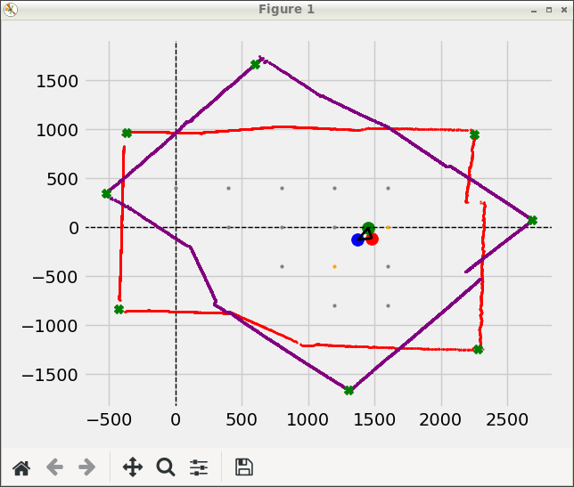
Rotated Too Negative |  | Perfect rotation just too negative x |  | Rotated too negative |  | Almost perfect see image below |  | This is a few good scans later and it got absolutely wrecked
MC GO FORWARD FOR: 200 |  | MC GO FORWARD FOR: 200 |  | MC GO FORWARD FOR: 200 |  | MC GO FORWARD FOR: 200 |  | MC GO FORWARD FOR: 200
TIME = 1.114274024963379 s |  | TIME = 1.0173933506011963 s |  | TIME = 0.9033668041229248 s |  | TIME = 0.9669332504272461 s |  | TIME = 0.6257467269897461 s
LEFT SPEED = 0.8974453120118864 rotations/s, ROTATIONS = 1.0 , TICKS = 20 |  | LEFT SPEED = 0.8846136054144383 rotations/s, ROTATIONS = 0.9 , TICKS = 18 |  | LEFT SPEED = 0.9962730486580215 rotations/s, ROTATIONS = 0.9 , TICKS = 18 |  | LEFT SPEED = 0.9824876738701828 rotations/s, ROTATIONS = 0.95 , TICKS = 19 |  | LEFT SPEED = 1.5980906601152494 rotations/s, ROTATIONS = 1.0 , TICKS = 20
RIGHT SPEED = 0.8077007808106977 rotations/s, ROTATIONS = 0.9 , TICKS = 18 |  | RIGHT SPEED = 0.9829040060160427 rotations/s, ROTATIONS = 1.0 , TICKS = 20 |  | RIGHT SPEED = 1.1069700540644682 rotations/s, ROTATIONS = 1.0 , TICKS = 20 |  | RIGHT SPEED = 1.0341975514422976 rotations/s, ROTATIONS = 1.0 , TICKS = 20 |  | RIGHT SPEED = 0.7990453300576247 rotations/s, ROTATIONS = 0.5 , TICKS = 10
MC measured angle x = 0.0 |  | MC measured angle x = 0.0 |  | MC measured angle x = 0.0 |  | MC measured angle x = 0.0 |  | MC measured angle x = 0.0
Get diff for = 0.09999999999999998 |  | Get diff for = 0.09999999999999998 |  | Get diff for = 0.09999999999999998 |  | Get diff for = 0.050000000000000044 |  | Get diff for = 0.5
Angle Diff exists |  | Angle Diff exists |  | Angle Diff exists |  | MC: Possible angle = 0.0 |  | Angle Diff exists
MC: Straight angle_diff = -4.105263157894732 |  | MC: Straight angle_diff = 4.105263157894732 |  | MC: Straight angle_diff = 4.105263157894732 |  | Get diff for = 0.050000000000000044 |  | MC: Straight angle_diff = -36.94736842105263
MC: Possible angle = -4.105263157894732 |  | MC: Possible angle = 4.105263157894732 |  | MC: Possible angle = 4.105263157894732 |  | MC: Angle turned = 0.0 |  | MC: Possible angle = -36.94736842105263
Get diff for = 0.09999999999999998 |  | Get diff for = 0.09999999999999998 |  | Get diff for = 0.09999999999999998 |  | MC: distance moved = 193.99334635916972 |  | Get diff for = 0.5
Angle Diff exists |  | Angle Diff exists |  | Angle Diff exists |  | ret/cpp = 0 |  | Angle Diff exists
MC: Straight angle_diff = -4.105263157894732 |  | MC: Straight angle_diff = 4.105263157894732 |  | MC: Straight angle_diff = 4.105263157894732 |  | LEAVNG RUN |  | MC: Straight angle_diff = -36.94736842105263
MC: Angle turned = -4.105263157894732 |  | MC: Angle turned = 4.105263157894732 |  | MC: Angle turned = 4.105263157894732 |  | please enter something: l |  | MC: Angle turned = -36.94736842105263
MC: distance moved = 204.20352248333654 |  | MC: distance moved = 183.7831702350029 |  | MC: distance moved = 183.7831702350029 |  | Entering scan loop |  | MC: distance moved = 204.20352248333654
ret/cpp = 0 |  | ret/cpp = 0 |  | ret/cpp = 0 |  | Entering scan loop |  | ret/cpp = 0
LEAVNG RUN |  | LEAVNG RUN |  | LEAVNG RUN |  | MAIN: FetchedScan = 8778 |  | LEAVNG RUN
please enter something: k |  | please enter something: k |  | please enter something: k |  |  |  | please enter something: l
Entering scan loop |  | Entering scan loop |  | Entering scan loop |  | i = 4 |  | Entering scan loop
Entering scan loop |  | Entering scan loop |  | Entering scan loop |  | ------------------------------------------------------------------------------------------------------------ |  | Entering scan loop
MAIN: FetchedScan = 8731 |  | MAIN: FetchedScan = 8755 |  | MAIN: FetchedScan = 8721 |  |  |  | MAIN: FetchedScan = 8763
 |  |  |  |  |  | EKF UPDATE MOTION FOR 193.993mm and 0
i = 1 |  | i = 2 |  | i = 3 |  | D: x = 193.839, y = 7.74548, a = 0 |  | i = 7
------------------------------------------------------------------------------------------------------------ |  | ------------------------------------------------------------------------------------------------------------ |  | ------------------------------------------------------------------------------------------------------------ |  | used%: x = 131.365, y = 150.025, a =100 |  | ------------------------------------------------------------------------------------------------------------

EKF UPDATE MOTION FOR 204.204mm and -4.10526 |  | EKF UPDATE MOTION FOR 183.783mm and 4.10526 |  | EKF UPDATE MOTION FOR 183.783mm and 4.10526 |  | MAIN: after_motion State: x=811.852, y=23.2288, w=2.28823 deg |  | EKF UPDATE MOTION FOR 204.204mm and -36.9474
D: x = 203.68, y = -14.6187, a = -4.10526 |  | D: x = 183.334, y = 12.8396, a = 4.10526 |  | D: x = 183.157, y = 15.1597, a = 4.10526 |  |  |  | D: x = 171.291, y = -111.169, a = -36.9474
used%: x = 4278.05, y = 344.424, a =-inf |  | used%: x = 176.527, y = 26.5037, a =-4039.82 |  | used%: x = 143.588, y = 174.574, a =755.531 |  | Number of CAR points8778B x size = 8778 |  | used%: x = 113.08, y = 62682.6, a =-832.157
 |  |  |  |  |  | LM: Corners = (1484.69,770.711),(-1113.25,1109.02),(-1389.3,-672.025),(1228.26,-1441.75),
MAIN: after_motion State: x=208.555, y=-20.5996, w=-4.10526 deg |  | MAIN: after_motion State: x=422.901, y=-4.63013, w=4.0061 deg |  | MAIN: after_motion State: x=603.355, y=35.4881, w=4.73151 deg |  | DATA: NUMBER OF CORNERS POINTS = 4 |  | MAIN: after_motion State: x=1480.83, y=-111.346, w=-32.9837 deg
 |  |  |  |  |  | (1484.69,770.711) | (-1113.25,1109.02) | (-1389.3,-672.025) | (1228.26,-1441.75) |
Number of CAR points8731B x size = 8731 |  | Number of CAR points8755B x size = 8755 |  | Number of CAR points8721B x size = 8721 |  |  |  | Number of CAR points8763B x size = 8763
LM: Corners = (2055.54,877.86),(-575.048,993.425),(-658.946,-821.346),(2043.31,-1312.46),(2056.65,-1012.22), |  | LM: Corners = (1824.08,894.599),(-800.145,921.174),(-873.705,-818.145),(1824.99,-1285.69), |  | LM: Corners = (1655.43,870.622),(-969.145,960.41),(-1121.51,-761.694),(1540.15,-1358.75), |  | D: r = -20.9906, a = -2.73955 |  | LM: Corners = (908.756,817.111),(-1707.91,1013.97),(700.093,-1398.05),(-1929.22,-704.643),
DATA: NUMBER OF CORNERS POINTS = 5 |  | DATA: NUMBER OF CORNERS POINTS = 4 |  | DATA: NUMBER OF CORNERS POINTS = 4 |  | G: r = 13.4691, a = 5.54265 |  | DATA: NUMBER OF CORNERS POINTS = 4
(2055.54,877.86) | (-575.048,993.425) | (-658.946,-821.346) | (2043.31,-1312.46) | (2056.65,-1012.22) | |  | (1824.08,894.599) | (-800.145,921.174) | (-873.705,-818.145) | (1824.99,-1285.69) | |  | (1655.43,870.622) | (-969.145,960.41) | (-1121.51,-761.694) | (1540.15,-1358.75) | |  | used%: r = -64.1672, a = -118.794 |  | (908.756,817.111) | (-1707.91,1013.97) | (700.093,-1398.05) | (-1929.22,-704.643) |
 |  |  |  |  |  | EKF: after_ekf State: x=823.485, y=30.0173, w=5.54265 deg
D: r = -21.2192, a = -6.08493 |  | D: r = -23.8751, a = 2.86135 |  | D: r = 5.39441, a = 3.89042 |  |  |  | D: r = 0.00012207, a = -3.41509e-06
G: r = 12.7181, a = 2.05266 |  | G: r = 15.0217, a = 1.59103 |  | G: r = 3.49989, a = 0.714803 |  | D: r = 64.9087, a = 0.00300528 |  | G: r = 3.96675e-05, a = -32.9837
used%: r = -59.9368, a = -101.2 |  | used%: r = -62.918, a = -84.4033 |  | used%: r = 64.88, a = -103.246 |  | G: r = 41.3359, a = 5.62737 |  | used%: r = 32.4957, a = -89.4021
EKF: after_ekf State: x=220.298, y=-15.7164, w=2.05266 deg |  | EKF: after_ekf State: x=436.491, y=1.7689, w=1.59103 deg |  | EKF: after_ekf State: x=600.216, y=33.9386, w=0.714803 deg |  | used%: r = 63.6832, a = 2819.08 |  | EKF: after_ekf State: x=1480.83, y=-111.346, w=-32.9837 deg
 |  |  |  |  |  | EKF: after_ekf State: x=853.299, y=1.38449, w=5.62737 deg
D: r = -18.2222, a = 0.707293 |  | D: r = -38.6921, a = 3.37623 |  | D: r = 25.6467, a = 1.18968 |  |  |  | D: r = 0, a = 0
G: r = 10.6581, a = 1.40275 |  | G: r = 24.2595, a = -0.433671 |  | G: r = 16.303, a = 0.209254 |  | D: r = 13.9445, a = -2.24455 |  | G: r = 0, a = -32.9837
used%: r = -58.4897, a = -91.8862 |  | used%: r = -62.6988, a = -59.9692 |  | used%: r = 63.5677, a = -42.4945 |  | G: r = 6.23522, a = 6.38545 |  | used%: r = nan, a = nan
EKF: after_ekf State: x=213.397, y=-7.59424, w=1.40275 deg |  | EKF: after_ekf State: x=419.9, y=19.4674, w=-0.433671 deg |  | EKF: after_ekf State: x=611.372, y=22.0496, w=0.209254 deg |  | used%: r = 44.7147, a = -33.7741 |  | EKF: after_ekf State: x=1480.83, y=-111.346, w=-32.9837 deg
 |  |  |  |  |  | EKF: after_ekf State: x=858.461, y=4.88171, w=6.38545 deg
D: r = 3.25769, a = 0.0844485 |  | D: r = -13.6298, a = -2.85121 |  | D: r = 6.94177, a = -5.73954 |  |  |  | D: r = 0, a = 0
G: r = 1.53139, a = 1.36485 |  | G: r = 6.61114, a = 0.511283 |  | G: r = 3.24128, a = 2.12975 |  | D: r = 16.0216, a = -2.1252 |  | G: r = 0, a = -32.9837
used%: r = 47.0084, a = -44.8781 |  | used%: r = -48.5052, a = -33.1422 |  | used%: r = 46.6924, a = -33.4609 |  | G: r = 5.65934, a = 7.07317 |  | used%: r = nan, a = nan
EKF: after_ekf State: x=214.624, y=-6.67793, w=1.36485 deg |  | EKF: after_ekf State: x=414.578, y=15.5446, w=0.511283 deg |  | EKF: after_ekf State: x=613.954, y=24.0085, w=2.12975 deg |  | used%: r = 35.3232, a = -32.3601 |  | EKF: after_ekf State: x=1480.83, y=-111.346, w=-32.9837 deg
 |  |  |  |  |  | EKF: after_ekf State: x=856.68, y=10.2536, w=7.07317 deg
D: r = -0.0805664, a = -0.212747 |  | D: r = -4.47998, a = -0.605387 |  | D: r = -27.8806, a = -2.01003 |  |  |  | D: r = 0, a = 0
G: r = 0.0256578, a = 1.41777 |  | G: r = 1.4896, a = 0.62625 |  | G: r = 9.44245, a = 2.28823 |  | MAIN: after_ekf State: x=856.68, y=10.2536, w=7.07317 deg |  | G: r = 0, a = -32.9837
used%: r = -31.8467, a = -24.8752 |  | used%: r = -33.2502, a = -18.9906 |  | used%: r = -33.8674, a = -7.88417 |  | (2248.44,937.343) | (-361.822,970.653) | (-423.898,-841.154) | (2273.46,-1236.71) | |  | used%: r = nan, a = nan
EKF: after_ekf State: x=214.643, y=-6.69438, w=1.41777 deg |  | EKF: after_ekf State: x=415.388, y=14.2947, w=0.62625 deg |  | EKF: after_ekf State: x=618.014, y=15.4833, w=2.28823 deg |  | MAIN: Store Map Points |  | EKF: after_ekf State: x=1480.83, y=-111.346, w=-32.9837 deg
 |  |  |  |  |  | Fit Cartesian for: (856.68,10.2536) | 7.07317
D: r = -136.297, a = 6.34825 |  | MAIN: after_ekf State: x=415.388, y=14.2947, w=0.62625 deg |  | MAIN: after_ekf State: x=618.014, y=15.4833, w=2.28823 deg |  |  |  | MAIN: after_ekf State: x=1480.83, y=-111.346, w=-32.9837 deg
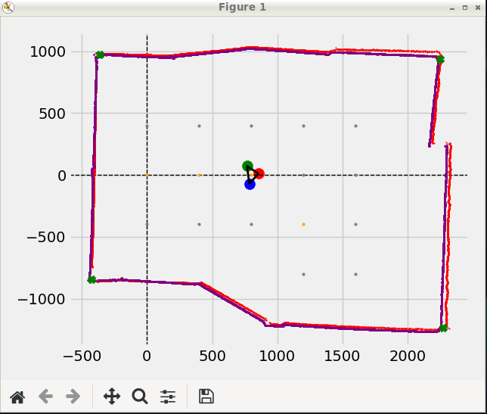
G: r = 26.1153, a = -0.0991653 |  | (2241.09,927.736) | (-342.647,984.252) | (-421.368,-848.15) | (2267.58,-1235.32) | |  | (2241,932.357) | (-342.161,984.668) | (-424.477,-847.048) | (2270.13,-1224.74) | |  |  |  | (2250.22,945.106) | (-367.503,965.001) | (-427.526,-835.014) | (2275.68,-1242.55) | (2687.96,79.3394) | (600.201,1668.98) | (1306.99,-1665.19) | (-521.054,347.85) |
used%: r = -19.1606, a = -23.8954 |  | MAIN: Store Map Points |  | MAIN: Store Map Points |  |  |  | MAIN: Store Map Points
EKF: after_ekf State: x=234.681, y=-23.4421, w=-0.0991653 deg |  | Fit Cartesian for: (415.388,14.2947) | 0.62625 |  | Fit Cartesian for: (618.014,15.4833) | 2.28823 |  |  |  | Fit Cartesian for: (1480.83,-111.346) | -32.9837

MAIN: after_ekf State: x=234.681, y=-23.4421, w=-0.0991653 deg
(2249.97,937.171) | (-359.606,977.343) | (-426.499,-842.51) | (2273.65,-1239.9) |
MAIN: Store Map Points
Fit Cartesian for: (234.681,-23.4421) | -0.0991653

Rotated too negative | Basically Perfect |  | Perfect |  |  | Rotated too negative
MC GO FORWARD FOR: 200 | MC GO FORWARD FOR: 200 |  | MC GO FORWARD FOR: 200 |  |  | MC GO FORWARD FOR: 200
TIME = 0.9838171005249023 s | TIME = 0.973456859588623 s |  | TIME = 0.9762442111968994 s |  |  | TIME = 0.9158575534820557 s
LEFT SPEED = 0.9656266388266074 rotations/s, ROTATIONS = 0.95 , TICKS = 19 | LEFT SPEED = 0.9759035448180664 rotations/s, ROTATIONS = 0.95 , TICKS = 19 |  | LEFT SPEED = 1.0243338588138469 rotations/s, ROTATIONS = 1.0 , TICKS = 20 |  |  | LEFT SPEED = 0.9280919251780282 rotations/s, ROTATIONS = 0.85 , TICKS = 17
RIGHT SPEED = 1.016449093501692 rotations/s, ROTATIONS = 1.0 , TICKS = 20 | RIGHT SPEED = 1.0272668892821752 rotations/s, ROTATIONS = 1.0 , TICKS = 20 |  | RIGHT SPEED = 0.9731171658731544 rotations/s, ROTATIONS = 0.95 , TICKS = 19 |  |  | RIGHT SPEED = 1.0918728531506214 rotations/s, ROTATIONS = 1.0 , TICKS = 20
MC measured angle x = 0.0 | MC measured angle x = 0.0 |  | MC measured angle x = 0.0 |  |  | MC measured angle x = 0.0
Get diff for = 0.050000000000000044 | Get diff for = 0.050000000000000044 |  | Get diff for = 0.050000000000000044 |  |  | Get diff for = 0.15000000000000002
MC: Possible angle = 0.0 | MC: Possible angle = 0.0 |  | MC: Possible angle = 0.0 |  |  | Angle Diff exists
Get diff for = 0.050000000000000044 | Get diff for = 0.050000000000000044 |  | Get diff for = 0.050000000000000044 |  |  | MC: Straight angle_diff = 8.210526315789473
MC: Angle turned = 0.0 | MC: Angle turned = 0.0 |  | MC: Angle turned = 0.0 |  |  | MC: Possible angle = 8.210526315789473
MC: distance moved = 193.99334635916972 | MC: distance moved = 193.99334635916972 |  | MC: distance moved = 204.20352248333654 |  |  | Get diff for = 0.15000000000000002
ret/cpp = 0 | ret/cpp = 0 |  | ret/cpp = 0 |  |  | Angle Diff exists
LEAVNG RUN | LEAVNG RUN |  | LEAVNG RUN |  |  | MC: Straight angle_diff = 8.210526315789473
please enter something: l | please enter something: k |  | please enter something: l |  |  | MC: Angle turned = 8.210526315789473
Entering scan loop | Entering scan loop |  | Entering scan loop |  |  | MC: distance moved = 173.57299411083608
Entering scan loop | Entering scan loop |  | Entering scan loop |  |  | ret/cpp = 0
MAIN: FetchedScan = 8559 | MAIN: FetchedScan = 8541 |  | MAIN: FetchedScan = 8602 |  |  | LEAVNG RUN
 |  |  |  |  |  | please enter something: k
i = 1 | i = 2 |  | i = 3 |  |  | Entering scan loop
------------------------------------------------------------------------------------------------------------ | ------------------------------------------------------------------------------------------------------------ |  | ------------------------------------------------------------------------------------------------------------ |  |  | Entering scan loop
 |  |  |  |  |  | MAIN: FetchedScan = 8593
EKF UPDATE MOTION FOR 193.993mm and 0 | EKF UPDATE MOTION FOR 193.993mm and 0 |  | EKF UPDATE MOTION FOR 204.204mm and 0
D: x = 193.948, y = -4.20259, a = 0 | D: x = 193.945, y = -4.31778, a = 0 |  | D: x = 203.517, y = 16.7273, a = 0 |  |  | i = 4
used%: x = 1091.47, y = 139.619, a =100 | used%: x = 183.713, y = 121.988, a =100 |  | used%: x = 145.949, y = 1547.66, a =100 |  |  | ------------------------------------------------------------------------------------------------------------

MAIN: after_motion State: x=213.509, y=-14.81, w=-1.24133 deg | MAIN: after_motion State: x=425.623, y=-23.9547, w=-1.27536 deg |  | MAIN: after_motion State: x=646.441, y=17.8828, w=4.69864 deg |  |  | EKF UPDATE MOTION FOR 173.573mm and 8.21053
 |  |  |  |  |  | D: x = 167.152, y = 46.7744, a = 8.21053
Number of CAR points8559B x size = 8559 | Number of CAR points8541B x size = 8541 |  | Number of CAR points8602B x size = 8602 |  |  | used%: x = 125.818, y = 185.404, a =210.613
LM: Corners = (2032.45,928.515),(-597.153,990.342),(-649.128,-821.355),(2057.8,-1261.47),(2067.56,-971.36), | LM: Corners = (1857.59,787.523),(-750.432,1036.74),(-928.089,-761.581),(1735.65,-1380.47), |  | LM: Corners = (1687.85,680.92),(-910.846,1011.26),(-1186.74,-689.363),(1417.54,-1493.63),
DATA: NUMBER OF CORNERS POINTS = 5 | DATA: NUMBER OF CORNERS POINTS = 4 |  | DATA: NUMBER OF CORNERS POINTS = 4 |  |  | MAIN: after_motion State: x=814.579, y=101.543, w=15.6333 deg
(2032.45,928.515) | (-597.153,990.342) | (-649.128,-821.355) | (2057.8,-1261.47) | (2067.56,-971.36) | | (1857.59,787.523) | (-750.432,1036.74) | (-928.089,-761.581) | (1735.65,-1380.47) | |  | (1687.85,680.92) | (-910.846,1011.26) | (-1186.74,-689.363) | (1417.54,-1493.63) |
 |  |  |  |  |  | Number of CAR points8593B x size = 8593
D: r = -26.7285, a = -1.28179 | D: r = -49.7949, a = -5.52388 |  | D: r = -28.3412, a = -2.19426 |  |  | LM: Corners = (1538.44,611.315),(-1044.09,1084.88),(-1447.75,-583.289),(1092.88,-1576.88),
G: r = 15.9899, a = 0.149984 | G: r = 31.1826, a = 5.28768 |  | G: r = 18.8226, a = 7.46117 |  |  | DATA: NUMBER OF CORNERS POINTS = 4
used%: r = -59.8233, a = -108.545 | used%: r = -62.6221, a = -118.812 |  | used%: r = -66.4143, a = -125.898 |  |  | (1538.44,611.315) | (-1044.09,1084.88) | (-1447.75,-583.289) | (1092.88,-1576.88) |
EKF: after_ekf State: x=228.331, y=-8.80949, w=0.149984 deg | EKF: after_ekf State: x=453.818, y=-10.6349, w=5.28768 deg |  | EKF: after_ekf State: x=663.316, y=26.2214, w=7.46117 deg
 |  |  |  |  |  | D: r = 4.72778, a = 8.40591
D: r = 5.87903, a = -0.26605 | D: r = -0.983887, a = 1.35063 |  | D: r = -45.3483, a = 1.48364 |  |  | G: r = 3.25915, a = 7.11949
G: r = 3.43692, a = 0.382826 | G: r = 0.614357, a = 4.60293 |  | G: r = 27.3141, a = 6.49255 |  |  | used%: r = 68.9361, a = -101.284
used%: r = 58.4607, a = -87.5181 | used%: r = -62.4418, a = -50.6987 |  | used%: r = -60.232, a = -65.2866 |  |  | EKF: after_ekf State: x=811.654, y=100.105, w=7.11949 deg
EKF: after_ekf State: x=230.557, y=-11.4275, w=0.382826 deg | EKF: after_ekf State: x=453.395, y=-10.1892, w=4.60293 deg |  | EKF: after_ekf State: x=644.201, y=45.7326, w=6.49255 deg
 |  |  |  |  |  | D: r = 38.2765, a = -2.28154
D: r = -9.50586, a = 1.00976 | D: r = -6.68054, a = 0.858568 |  | D: r = -12.7155, a = -2.89181 |  |  | G: r = 23.3153, a = 8.23563
G: r = 4.45177, a = 0.077021 | G: r = 3.19856, a = 4.32713 |  | G: r = 5.9798, a = 7.43711 |  |  | used%: r = 60.9128, a = -48.9202
used%: r = -46.8318, a = -30.2848 | used%: r = -47.8788, a = -32.1231 |  | used%: r = -47.0278, a = -32.6632 |  |  | EKF: after_ekf State: x=827.802, y=83.2858, w=8.23563 deg
EKF: after_ekf State: x=226.924, y=-14.0001, w=0.077021 deg | EKF: after_ekf State: x=450.754, y=-11.9944, w=4.32713 deg |  | EKF: after_ekf State: x=639.635, y=41.871, w=7.43711 deg
 |  |  |  |  |  | D: r = 11.4244, a = -6.34154
D: r = 46.3484, a = 0.0503453 | D: r = 44.7637, a = 0.315855 |  | D: r = -1.49609, a = -0.0111469 |  |  | G: r = 5.10241, a = 10.4007
G: r = 15.479, a = 0.306411 | G: r = 15.3047, a = 4.69864 |  | G: r = 0.519681, a = 7.42277 |  |  | used%: r = 44.6622, a = -34.1408
used%: r = 33.3971, a = 455.632 | used%: r = 34.19, a = 117.62 |  | used%: r = -34.7358, a = 128.581 |  |  | EKF: after_ekf State: x=831.479, y=86.8232, w=10.4007 deg
EKF: after_ekf State: x=216.228, y=-2.81155, w=0.306411 deg | EKF: after_ekf State: x=442.924, y=1.15548, w=4.69864 deg |  | EKF: after_ekf State: x=639.784, y=41.3731, w=7.42277 deg
 |  |  |  |  |  | D: r = -29.9719, a = -1.29897
D: r = -111.195, a = 6.871 | MAIN: after_ekf State: x=442.924, y=1.15548, w=4.69864 deg |  | MAIN: after_ekf State: x=639.784, y=41.3731, w=7.42277 deg |  |  | G: r = 10.8421, a = 10.4329
G: r = 22.8428, a = -1.27536 | (2265.19,910.128) | (-382.864,967.101) | (-422.486,-834.394) | (2244.94,-1257.91) | |  | (2259.75,899.262) | (-364.647,977.105) | (-419.191,-839.401) | (2240.02,-1255.59) | |  |  | used%: r = -36.1742, a = -2.4822
used%: r = -20.5429, a = -23.0209 | MAIN: Store Map Points |  | MAIN: Store Map Points |  |  | EKF: after_ekf State: x=833.554, y=76.1816, w=10.4329 deg
EKF: after_ekf State: x=231.678, y=-19.637, w=-1.27536 deg | Fit Cartesian for: (442.924,1.15548) | 4.69864 |  | Fit Cartesian for: (639.784,41.3731) | 7.42277
 |  |  |  |  |  | MAIN: after_ekf State: x=833.554, y=76.1816, w=10.4329 deg
MAIN: after_ekf State: x=231.678, y=-19.637, w=-1.27536 deg |  |  |  |  |  | (2258.22,903.515) | (-369.352,975.924) | (-425.31,-837.329) | (2245.86,-1239.98) |
(2264.05,921.799) | (-367.825,972.791) | (-429.158,-834.947) | (2242.95,-1241.77) | | VERY ACCURATE SCAN @ 83.3158 % |  |  |  |  | MAIN: Store Map Points
MAIN: Store Map Points |  |  |  |  |  | Fit Cartesian for: (833.554,76.1816) | 10.4329
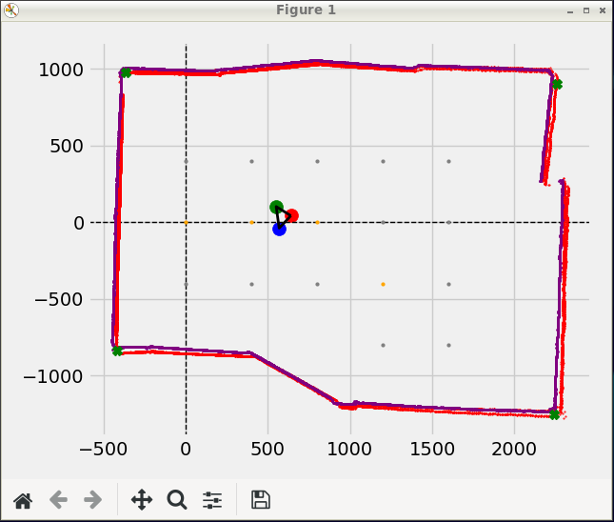
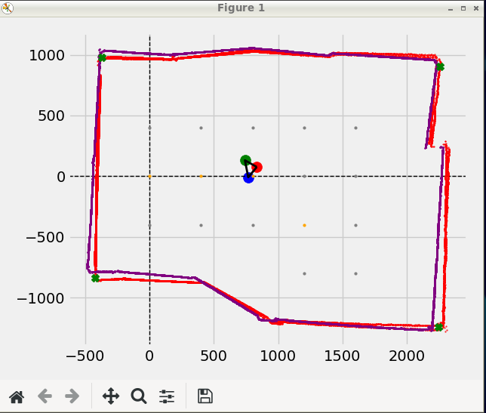
Fit Cartesian for: (231.678,-19.637) | -1.27536
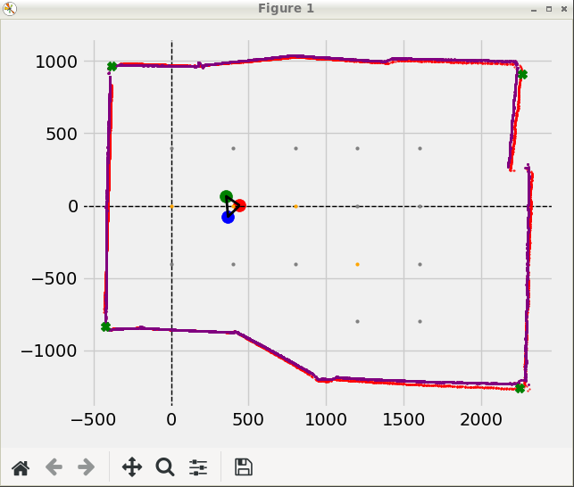

Fucking Horrid Too negative rotation |  | Very good scan
MC GO FORWARD FOR: 200 |  | MC GO FORWARD FOR: 200
TIME = 0.8608212471008301 s |  | TIME = 0.9228367805480957 s
LEFT SPEED = 1.1616813634281353 rotations/s, ROTATIONS = 1.0 , TICKS = 20 |  | LEFT SPEED = 0.9752537165515528 rotations/s, ROTATIONS = 0.9 , TICKS = 18
RIGHT SPEED = 0.9874291589139149 rotations/s, ROTATIONS = 0.85 , TICKS = 17 |  | RIGHT SPEED = 1.0836152406128363 rotations/s, ROTATIONS = 1.0 , TICKS = 20
MC measured angle x = 0.0 |  | MC measured angle x = 0.0
Get diff for = 0.15000000000000002 |  | Get diff for = 0.09999999999999998
Angle Diff exists |  | Angle Diff exists
MC: Straight angle_diff = -8.210526315789473 |  | MC: Straight angle_diff = 4.105263157894732
MC: Possible angle = -8.210526315789473 |  | MC: Possible angle = 4.105263157894732
Get diff for = 0.15000000000000002 |  | Get diff for = 0.09999999999999998
Angle Diff exists |  | Angle Diff exists
MC: Straight angle_diff = -8.210526315789473 |  | MC: Straight angle_diff = 4.105263157894732
MC: Angle turned = -8.210526315789473 |  | MC: Angle turned = 4.105263157894732
MC: distance moved = 204.20352248333654 |  | MC: distance moved = 183.7831702350029
ret/cpp = 0 |  | ret/cpp = 0
LEAVNG RUN |  | LEAVNG RUN
please enter something: k |  | please enter something: l
Entering scan loop |  | Entering scan loop
Entering scan loop |  | Entering scan loop
MAIN: FetchedScan = 8401 |  | MAIN: FetchedScan = 8407

i = 1 |  | i = 2
------------------------------------------------------------------------------------------------------------ |  | ------------------------------------------------------------------------------------------------------------

EKF UPDATE MOTION FOR 204.204mm and -8.21053 |  | EKF UPDATE MOTION FOR 183.783mm and 4.10526
D: x = 201.412, y = -33.651, a = -8.21053 |  | D: x = 183.72, y = 4.82847, a = 4.10526
used%: x = 815.091, y = 244.783, a =744.17 |  | used%: x = 192.395, y = 72.2484, a =-57.9083

MAIN: after_motion State: x=229.578, y=-56.8934, w=-9.48512 deg |  | MAIN: after_motion State: x=382.562, y=-12.5704, w=1.50549 deg

Number of CAR points8401B x size = 8401 |  | Number of CAR points8407B x size = 8407
LM: Corners = (2079.32,849.877),(-545.842,1006.28),(-657.006,-804.434),(2031.33,-1324.94), |  | LM: Corners = (1890.63,746.843),(-709.743,1038.9),(-914.886,-755.746),(1729.22,-1428.91),
DATA: NUMBER OF CORNERS POINTS = 4 |  | DATA: NUMBER OF CORNERS POINTS = 4
(2079.32,849.877) | (-545.842,1006.28) | (-657.006,-804.434) | (2031.33,-1324.94) | |  | (1890.63,746.843) | (-709.743,1038.9) | (-914.886,-755.746) | (1729.22,-1428.91) |

D: r = 0, a = 0 |  | D: r = -74.0908, a = -3.18795
G: r = 0, a = -9.48512 |  | G: r = 41.4829, a = 8.1912
used%: r = nan, a = nan |  | used%: r = -55.9893, a = -209.718
EKF: after_ekf State: x=229.578, y=-56.8934, w=-9.48512 deg |  | EKF: after_ekf State: x=421.227, y=2.45879, w=8.1912 deg

D: r = -50.4176, a = -11.1564 |  | D: r = 7.75952, a = 3.54291
G: r = 27.8375, a = -4.58145 |  | G: r = 4.71636, a = 6.49323
used%: r = -55.2139, a = -43.9539 |  | used%: r = 60.7816, a = -47.9258
EKF: after_ekf State: x=214.16, y=-33.7151, w=-4.58145 deg |  | EKF: after_ekf State: x=424.309, y=-1.11125, w=6.49323 deg

D: r = 0, a = 0 |  | D: r = -28.736, a = 5.96785
G: r = 0, a = -4.58145 |  | G: r = 11.9995, a = 4.73703
used%: r = nan, a = nan |  | used%: r = -41.7577, a = -29.4277
EKF: after_ekf State: x=214.16, y=-33.7151, w=-4.58145 deg |  | EKF: after_ekf State: x=415.062, y=-8.75793, w=4.73703 deg

D: r = 72.4993, a = -6.4012 |  | D: r = 23.7683, a = -0.0447787
G: r = 23.0245, a = -2.59978 |  | G: r = 8.14498, a = 5.03975
used%: r = 31.7583, a = -30.9578 |  | used%: r = 34.2682, a = -676.057
EKF: after_ekf State: x=193.701, y=-23.1525, w=-2.59978 deg |  | EKF: after_ekf State: x=410.371, y=-2.09895, w=5.03975 deg

MAIN: after_ekf State: x=193.701, y=-23.1525, w=-2.59978 deg |  | MAIN: after_ekf State: x=410.371, y=-2.09895, w=5.03975 deg
(2272.19,919.235) | (-369.366,973.899) | (2240.98,-1273.95) | (2396.29,433.231) | (-509.088,-787.358) | |  | (2257.12,897.528) | (-376.736,971.717) | (2239.39,-1283.92) | (2403.63,434.892) | (-494.018,-783.89) |
MAIN: Store Map Points |  | MAIN: Store Map Points
Fit Cartesian for: (193.701,-23.1525) | -2.59978 |  | Fit Cartesian for: (410.371,-2.09895) | 5.03975

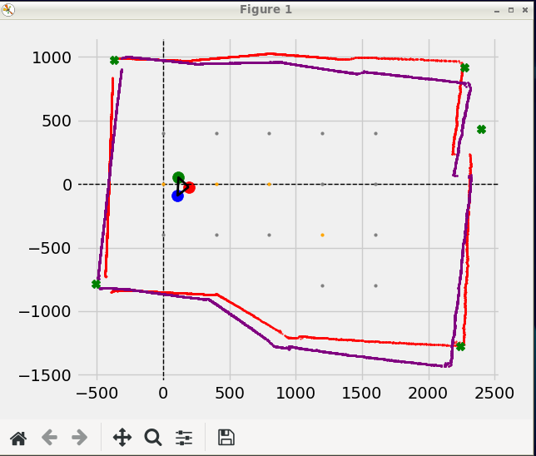
 |  | VERY ACCURATE SCAN @ 86.2139 %

Sheet4
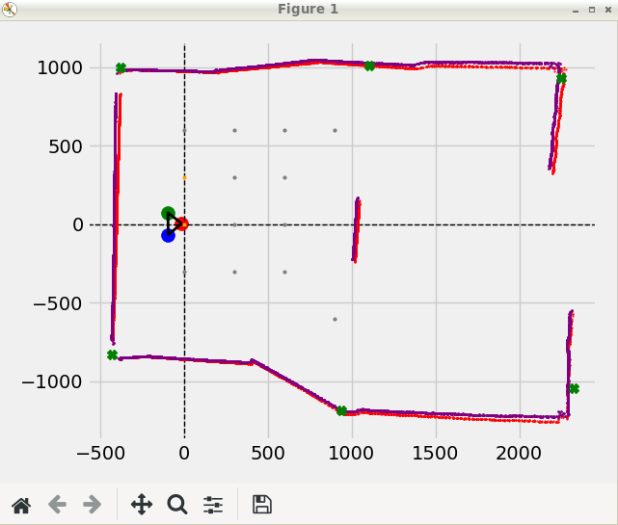
INIT_sigma_r = 0.33
INIT_sigma_theta = 0.33
INIT_sigma_odo_x = 0.5
INIT_sigma_odo_y = 0.5
INIT_sigma_odo_theta = 0.523599
TEST RUN
GetDevice Info Entered
GetDevice Info Entered
SLAMTEC LIDAR S/N: ABCF99F6C9E59AD4C5E59CF7571D3414SLAMTEC Lidar health status : 0
GetDevice Info Entered
GetDevice Info Entered
GetDevice Info Entered
Entering scan loop
Entering scan loop
MAIN: FetchedScan = 8351

i = 0
------------------------------------------------------------------------------------------------------------

EKF UPDATE MOTION FOR 0mm and 0
D: x = 0, y = 0, a = 0
used%: x = nan, y = nan, a =nan

MAIN: after_motion State: x=0, y=0, w=0 deg

Number of CAR points8351B x size = 8351
LM: Corners = (2260.73,932.956),(-379.408,987.277),(-431.164,-826.737),(945.664,-1193.91),(2292.17,-1027.81),(1104.89,1009.36),(2283.31,-1275.93),
DATA: NUMBER OF CORNERS POINTS = 7
(2260.73,932.956) | (-379.408,987.277) | (-431.164,-826.737) | (945.664,-1193.91) | (2292.17,-1027.81) | (1104.89,1009.36) | (2283.31,-1275.93) |

D: r = 0, a = 0
G: r = 0, a = 0
used%: r = nan, a = nan
EKF: after_ekf State: x=0, y=0, w=0 deg

D: r = 0, a = 0
G: r = 0, a = 0
used%: r = nan, a = nan
EKF: after_ekf State: x=0, y=0, w=0 deg

D: r = 0, a = 0
G: r = 0, a = 0
used%: r = nan, a = nan
EKF: after_ekf State: x=0, y=0, w=0 deg

D: r = -0.00012207, a = 3.41509e-06
G: r = 4.13336e-05, a = -1.03352e-06
used%: r = -33.8605, a = -30.2632
EKF: after_ekf State: x=3.00117e-05, y=-2.84213e-05, w=-1.03352e-06 deg

D: r = 0, a = 0
G: r = 0, a = -1.03352e-06
used%: r = nan, a = nan
EKF: after_ekf State: x=3.00117e-05, y=-2.84213e-05, w=-1.03352e-06 deg

D: r = 0, a = 0
G: r = 0, a = -1.03352e-06
used%: r = nan, a = nan
EKF: after_ekf State: x=3.00117e-05, y=-2.84213e-05, w=-1.03352e-06 deg

D: r = 103.566, a = -5.04519
G: r = 14.0964, a = 0.687693
used%: r = 13.6111, a = -13.6307
EKF: after_ekf State: x=-12.842, y=5.81292, w=0.687693 deg

MAIN: after_ekf State: x=-12.842, y=5.81292, w=0.687693 deg
(2252.69,929.635) | (-382.653,995.723) | (-431.492,-827.364) | (938.648,-1185.05) | (2324.78,-1042.44) | (1101.19,1005.98) |
MAIN: Save Car To Full Map

CSV: Saving Full Map (overwriting old)
GRID: In grid data process
Map Bounds = xmin: 2319.31, xmax-429.036, ymin1034.08, ymax-1261.07
MAP BOUNDS: xmax = 1043.71 xmin = -408.98 ymax = 978.999 ymin = -867.252
MAP BOUNDS: xmax = 2208.64 xmin = -400.996 ymax = 978.999 ymin = -867.252
MAP BOUNDS: xmax = 2244.13 xmin = -393.181 ymax = 978.999 ymin = -867.252
MAP BOUNDS: xmax = 2280.16 xmin = -392.657 ymax = 978.999 ymin = -867.252
MAP BOUNDS: xmax = -10000 xmin = 10000 ymax = 978.999 ymin = -867.252
MAP BOUNDS: xmax = 1022.4 xmin = -417.17 ymax = 978.999 ymin = -867.252
MAP BOUNDS: xmax = 2319.31 xmin = -427.886 ymax = 978.999 ymin = -867.252
MAP BOUNDS: xmax = 2300.62 xmin = -422.569 ymax = 978.999 ymin = -867.252
MAP BOUNDS: xmax = 1043.71 xmin = -408.98 ymax = 991.302 ymin = -889.606
MAP BOUNDS: xmax = 2208.64 xmin = -400.996 ymax = 991.302 ymin = -889.606
MAP BOUNDS: xmax = 2244.13 xmin = -393.181 ymax = 991.302 ymin = -889.606
MAP BOUNDS: xmax = 2280.16 xmin = -392.657 ymax = 991.302 ymin = -889.606
MAP BOUNDS: xmax = -10000 xmin = 10000 ymax = 991.302 ymin = -889.606
MAP BOUNDS: xmax = 1022.4 xmin = -417.17 ymax = 991.302 ymin = -889.606
MAP BOUNDS: xmax = 2319.31 xmin = -427.886 ymax = 991.302 ymin = -889.606
MAP BOUNDS: xmax = 2300.62 xmin = -422.569 ymax = 991.302 ymin = -889.606
MAP BOUNDS: xmax = 1043.71 xmin = -408.98 ymax = 1022.32 ymin = -1047.73
MAP BOUNDS: xmax = 2208.64 xmin = -400.996 ymax = 1022.32 ymin = -1047.73
MAP BOUNDS: xmax = 2244.13 xmin = -393.181 ymax = 1022.32 ymin = -1047.73
MAP BOUNDS: xmax = 2280.16 xmin = -392.657 ymax = 1022.32 ymin = -1047.73
MAP BOUNDS: xmax = -10000 xmin = 10000 ymax = 1022.32 ymin = -1047.73
MAP BOUNDS: xmax = 1022.4 xmin = -417.17 ymax = 1022.32 ymin = -1047.73
MAP BOUNDS: xmax = 2319.31 xmin = -427.886 ymax = 1022.32 ymin = -1047.73
MAP BOUNDS: xmax = 2300.62 xmin = -422.569 ymax = 1022.32 ymin = -1047.73
MAP BOUNDS: xmax = 2292.27 xmin = 780.935 ymax = 1022.32 ymin = -1047.73
MAP BOUNDS: xmax = 1043.71 xmin = -408.98 ymax = 1034.08 ymin = -1209.15
MAP BOUNDS: xmax = 2208.64 xmin = -400.996 ymax = 1034.08 ymin = -1209.15
MAP BOUNDS: xmax = 2244.13 xmin = -393.181 ymax = 1034.08 ymin = -1209.15
MAP BOUNDS: xmax = 2280.16 xmin = -392.657 ymax = 1034.08 ymin = -1209.15
MAP BOUNDS: xmax = -10000 xmin = 10000 ymax = 1034.08 ymin = -1209.15
MAP BOUNDS: xmax = 1022.4 xmin = -417.17 ymax = 1034.08 ymin = -1209.15
MAP BOUNDS: xmax = 2319.31 xmin = -427.886 ymax = 1034.08 ymin = -1209.15
MAP BOUNDS: xmax = 2300.62 xmin = -422.569 ymax = 1034.08 ymin = -1209.15
MAP BOUNDS: xmax = 2292.27 xmin = 780.935 ymax = 1034.08 ymin = -1209.15
MAP BOUNDS: xmax = -10000 xmin = 10000 ymax = 1034.08 ymin = -1209.15
MAP BOUNDS: xmax = 1043.71 xmin = -408.98 ymax = 1012.39 ymin = -1216.04
+Y: newPoint = (1200,0) 0 dotCheck = 0, lidarCheck = 0
MAP BOUNDS: xmax = 1022.4 xmin = -417.17 ymax = 1012.39 ymin = -1216.04
-Y: newPoint = (1200,-300) 0 dotCheck = 0, lidarCheck = 0
MAP BOUNDS: xmax = 1043.71 xmin = -408.98 ymax = 1010.68 ymin = -1232.62
+Y: newPoint = (1500,0) 0 dotCheck = 0, lidarCheck = 1
MAP BOUNDS: xmax = 1022.4 xmin = -417.17 ymax = 1010.68 ymin = -1232.62
-Y: newPoint = (1500,-300) 0 dotCheck = 0, lidarCheck = 1
MAP BOUNDS: xmax = 1043.71 xmin = -408.98 ymax = 1007.89 ymin = -1249.46
+Y: newPoint = (1800,0) 0 dotCheck = 0, lidarCheck = 1
MAP BOUNDS: xmax = 1022.4 xmin = -417.17 ymax = 1007.89 ymin = -1249.46
-Y: newPoint = (1800,-300) 0 dotCheck = 0, lidarCheck = 1
MAP BOUNDS: xmax = 1043.71 xmin = -408.98 ymax = 1000.12 ymin = -1258.94
+Y: newPoint = (2100,0) 0 dotCheck = 0, lidarCheck = 0
MAP BOUNDS: xmax = 1022.4 xmin = -417.17 ymax = 1000.12 ymin = -1258.94
-Y: newPoint = (2100,-300) 0 dotCheck = 0, lidarCheck = 1
MAP BOUNDS: xmax = 1043.71 xmin = -408.98 ymax = -573.349 ymin = -859.688
+Y: newPoint = (2400,0) 0 dotCheck = 0, lidarCheck = 1
MAP BOUNDS: xmax = 1022.4 xmin = -417.17 ymax = -573.349 ymin = -859.688
-Y: newPoint = (2400,-300) 0 dotCheck = 0, lidarCheck = 0
MAP BOUNDS: xmax = 1043.71 xmin = -408.98 ymax = -10000 ymin = 10000
+Y: newPoint = (2700,0) 0 dotCheck = 0, lidarCheck = 1
MAP BOUNDS: xmax = 1022.4 xmin = -417.17 ymax = -10000 ymin = 10000
-Y: newPoint = (2700,-300) 0 dotCheck = 0, lidarCheck = 1
MAP BOUNDS: xmax = 1043.71 xmin = -408.98 ymax = -10000 ymin = 10000
+Y: newPoint = (3000,0) 0 dotCheck = 0, lidarCheck = 1
MAP BOUNDS: xmax = 1022.4 xmin = -417.17 ymax = -10000 ymin = 10000
-Y: newPoint = (3000,-300) 0 dotCheck = 0, lidarCheck = 1
MAP BOUNDS: xmax = 1043.71 xmin = -408.98 ymax = -10000 ymin = 10000
+Y: newPoint = (3300,0) 0 dotCheck = 0, lidarCheck = 1
MAP BOUNDS: xmax = 1022.4 xmin = -417.17 ymax = -10000 ymin = 10000
-Y: newPoint = (3300,-300) 0 dotCheck = 0, lidarCheck = 1
MAP BOUNDS: xmax = 1043.71 xmin = -408.98 ymax = -10000 ymin = 10000
+Y: newPoint = (3600,0) 0 dotCheck = 0, lidarCheck = 1
MAP BOUNDS: xmax = 1022.4 xmin = -417.17 ymax = -10000 ymin = 10000
-Y: newPoint = (3600,-300) 0 dotCheck = 0, lidarCheck = 1
MAP BOUNDS: xmax = 1043.71 xmin = -408.98 ymax = -10000 ymin = 10000
+Y: newPoint = (3900,0) 0 dotCheck = 0, lidarCheck = 1
MAP BOUNDS: xmax = 1022.4 xmin = -417.17 ymax = -10000 ymin = 10000
-Y: newPoint = (3900,-300) 0 dotCheck = 0, lidarCheck = 1
MAP BOUNDS: xmax = 1043.71 xmin = -408.98 ymax = -10000 ymin = 10000
+Y: newPoint = (4200,0) 0 dotCheck = 0, lidarCheck = 1
MAP BOUNDS: xmax = 1022.4 xmin = -417.17 ymax = -10000 ymin = 10000
-Y: newPoint = (4200,-300) 0 dotCheck = 0, lidarCheck = 1
MAP BOUNDS: xmax = 1043.71 xmin = -408.98 ymax = -10000 ymin = 10000
+Y: newPoint = (4500,0) 0 dotCheck = 0, lidarCheck = 1
MAP BOUNDS: xmax = 1022.4 xmin = -417.17 ymax = -10000 ymin = 10000
-Y: newPoint = (4500,-300) 0 dotCheck = 0, lidarCheck = 1
MAP BOUNDS: xmax = 1043.71 xmin = -408.98 ymax = -10000 ymin = 10000
+Y: newPoint = (4800,0) 0 dotCheck = 0, lidarCheck = 1
MAP BOUNDS: xmax = 1022.4 xmin = -417.17 ymax = -10000 ymin = 10000
-Y: newPoint = (4800,-300) 0 dotCheck = 0, lidarCheck = 1
MAP BOUNDS: xmax = 1043.71 xmin = -408.98 ymax = -10000 ymin = 10000
+Y: newPoint = (5100,0) 0 dotCheck = 0, lidarCheck = 1
MAP BOUNDS: xmax = 1022.4 xmin = -417.17 ymax = -10000 ymin = 10000
-Y: newPoint = (5100,-300) 0 dotCheck = 0, lidarCheck = 1
MAP BOUNDS: xmax = 1043.71 xmin = -408.98 ymax = -10000 ymin = 10000
+Y: newPoint = (5400,0) 0 dotCheck = 0, lidarCheck = 1
MAP BOUNDS: xmax = 1022.4 xmin = -417.17 ymax = -10000 ymin = 10000
-Y: newPoint = (5400,-300) 0 dotCheck = 0, lidarCheck = 1
MAP BOUNDS: xmax = 1043.71 xmin = -408.98 ymax = -10000 ymin = 10000
+Y: newPoint = (5700,0) 0 dotCheck = 0, lidarCheck = 1
MAP BOUNDS: xmax = 1022.4 xmin = -417.17 ymax = -10000 ymin = 10000
-Y: newPoint = (5700,-300) 0 dotCheck = 0, lidarCheck = 1
Points Pushed = 1
MAP BOUNDS: xmax = 1043.71 xmin = -408.98 ymax = 985.687 ymin = -859.052
MAP BOUNDS: xmax = 2208.64 xmin = -400.996 ymax = 985.687 ymin = -859.052
MAP BOUNDS: xmax = 2244.13 xmin = -393.181 ymax = 985.687 ymin = -859.052
MAP BOUNDS: xmax = 2280.16 xmin = -392.657 ymax = 985.687 ymin = -859.052
MAP BOUNDS: xmax = -10000 xmin = 10000 ymax = 985.687 ymin = -859.052
MAP BOUNDS: xmax = 1022.4 xmin = -417.17 ymax = 985.687 ymin = -859.052
MAP BOUNDS: xmax = 2319.31 xmin = -427.886 ymax = 985.687 ymin = -859.052
MAP BOUNDS: xmax = 2300.62 xmin = -422.569 ymax = 985.687 ymin = -859.052
MAP BOUNDS: xmax = 1043.71 xmin = -408.98 ymax = -10000 ymin = 10000
MAP BOUNDS: xmax = 1022.4 xmin = -417.17 ymax = -10000 ymin = 10000
MAP BOUNDS: xmax = 1043.71 xmin = -408.98 ymax = -10000 ymin = 10000
MAP BOUNDS: xmax = 1022.4 xmin = -417.17 ymax = -10000 ymin = 10000
MAP BOUNDS: xmax = 1043.71 xmin = -408.98 ymax = -10000 ymin = 10000
MAP BOUNDS: xmax = 1022.4 xmin = -417.17 ymax = -10000 ymin = 10000
MAP BOUNDS: xmax = 1043.71 xmin = -408.98 ymax = -10000 ymin = 10000
MAP BOUNDS: xmax = 1022.4 xmin = -417.17 ymax = -10000 ymin = 10000
MAP BOUNDS: xmax = 1043.71 xmin = -408.98 ymax = -10000 ymin = 10000
MAP BOUNDS: xmax = 1022.4 xmin = -417.17 ymax = -10000 ymin = 10000
MAP BOUNDS: xmax = 1043.71 xmin = -408.98 ymax = -10000 ymin = 10000
MAP BOUNDS: xmax = 1022.4 xmin = -417.17 ymax = -10000 ymin = 10000
MAP BOUNDS: xmax = 1043.71 xmin = -408.98 ymax = -10000 ymin = 10000
MAP BOUNDS: xmax = 1022.4 xmin = -417.17 ymax = -10000 ymin = 10000
MAP BOUNDS: xmax = 1043.71 xmin = -408.98 ymax = -10000 ymin = 10000
MAP BOUNDS: xmax = 1022.4 xmin = -417.17 ymax = -10000 ymin = 10000
MAP BOUNDS: xmax = 1043.71 xmin = -408.98 ymax = -10000 ymin = 10000
MAP BOUNDS: xmax = 1022.4 xmin = -417.17 ymax = -10000 ymin = 10000
MAP BOUNDS: xmax = 1043.71 xmin = -408.98 ymax = -10000 ymin = 10000
MAP BOUNDS: xmax = 1022.4 xmin = -417.17 ymax = -10000 ymin = 10000
MAP BOUNDS: xmax = 1043.71 xmin = -408.98 ymax = -10000 ymin = 10000
MAP BOUNDS: xmax = 1022.4 xmin = -417.17 ymax = -10000 ymin = 10000
MAP BOUNDS: xmax = 1043.71 xmin = -408.98 ymax = -10000 ymin = 10000
MAP BOUNDS: xmax = 1022.4 xmin = -417.17 ymax = -10000 ymin = 10000
MAP BOUNDS: xmax = 1043.71 xmin = -408.98 ymax = -10000 ymin = 10000
MAP BOUNDS: xmax = 1022.4 xmin = -417.17 ymax = -10000 ymin = 10000
MAP BOUNDS: xmax = 1043.71 xmin = -408.98 ymax = -10000 ymin = 10000
MAP BOUNDS: xmax = 1022.4 xmin = -417.17 ymax = -10000 ymin = 10000
MAP BOUNDS: xmax = 1043.71 xmin = -408.98 ymax = -10000 ymin = 10000
MAP BOUNDS: xmax = 1022.4 xmin = -417.17 ymax = -10000 ymin = 10000
MAP BOUNDS: xmax = 1043.71 xmin = -408.98 ymax = -10000 ymin = 10000
MAP BOUNDS: xmax = 1022.4 xmin = -417.17 ymax = -10000 ymin = 10000
MAP BOUNDS: xmax = 1043.71 xmin = -408.98 ymax = -10000 ymin = 10000
MAP BOUNDS: xmax = 1022.4 xmin = -417.17 ymax = -10000 ymin = 10000
MAP BOUNDS: xmax = 1043.71 xmin = -408.98 ymax = -10000 ymin = 10000
MAP BOUNDS: xmax = 1022.4 xmin = -417.17 ymax = -10000 ymin = 10000
MAP BOUNDS: xmax = 1043.71 xmin = -408.98 ymax = -10000 ymin = 10000
MAP BOUNDS: xmax = 1022.4 xmin = -417.17 ymax = -10000 ymin = 10000
Traversed = (0,0) 1
GRID:SAVED TO CSV
In pre-map movement
NAVI: Find Point Straight
NAVI: nextPoint: We on Y-axis and point on y exists
ClosestPoint = (0,600)
In PathFinder
Start = 0, 0
Goal = 0, 600
GridMap size = 8
Path: (0, 0) (0, 300) (0, 600)
Dumped Traversed = (0,300) 1
Shortened Path: (0,600)
mapped = 0Go to -> (0,600)
ClosestPoint = (0,600)
NAVI,GRID rotate angle = 88.0742
NAVI,GRID then distance = 445.259
NAVI,GRID to visit: (0,600)
NAVI: Set angle = 88.0742 deg Set Distance = 445.259mm
NAVI: Run python
MC started
MC:TURN: 0.0 deg
ThetaL = -0.0 ThetaR = 0.0
SUBTRACT BIAS FROM ANGLE : 0
MC GO FORWARD FOR: 0
MC measured angle x = 0.0
Get diff for = 0
BAD MOTOR DATA DETECTED! LNoRot & RNoRot < 0.25
MC: Possible angle = 0.0
Get diff for = 0
BAD MOTOR DATA DETECTED! LNoRot & RNoRot < 0.25
Get diff for = 0
BAD MOTOR DATA DETECTED! LNoRot & RNoRot < 0.25
MC: Post Difference angle = 0.0
MC: Angle turned = 0.0
MC: distance moved = 0.0
ret/cpp = 0
LEAVNG RUN
please enter something: k
Entering scan loop
Entering scan loop
MAIN: FetchedScan = 8374

i = 1
------------------------------------------------------------------------------------------------------------

EKF UPDATE MOTION FOR 0mm and 0
D: x = 0, y = 0, a = 0
used%: x = 100, y = 100, a =100

MAIN: after_motion State: x=-12.842, y=5.81292, w=0.687693 deg

Number of CAR points8374B x size = 8374
LM: Corners = (2265.17,932.602),(-380.12,986.566),(-430.676,-826.377),(946.46,-1192.4),(2290.93,-1032.25),(1112.17,1011.08),(2284.9,-1273.67),
DATA: NUMBER OF CORNERS POINTS = 7
(2265.17,932.602) | (-380.12,986.566) | (-430.676,-826.377) | (946.46,-1192.4) | (2290.93,-1032.25) | (1112.17,1011.08) | (2284.9,-1273.67) |

D: r = 2.99829, a = 0.881
G: r = 1.81091, a = 0.129495
used%: r = 60.398, a = -63.3597
EKF: after_ekf State: x=-14.5223, y=5.13775, w=0.129495 deg

D: r = 0.479736, a = 0.814384
G: r = 0.289817, a = -0.183806
used%: r = 60.4116, a = -38.4709
EKF: after_ekf State: x=-14.419, y=4.86698, w=-0.183806 deg

D: r = 0.840881, a = -1.09272
G: r = 0.322863, a = 0.124221
used%: r = 38.3958, a = -28.189
EKF: after_ekf State: x=-14.2855, y=5.16094, w=0.124221 deg

D: r = -2.27075, a = -0.117449
G: r = 0.867747, a = 0.146551
used%: r = -38.2141, a = -19.0128
EKF: after_ekf State: x=-13.6361, y=4.58533, w=0.146551 deg

D: r = -49.3362, a = 0.0114286
G: r = 16.008, a = 0.069787
used%: r = -32.4468, a = -671.681
EKF: after_ekf State: x=1.74713, y=0.15671, w=0.069787 deg

D: r = 13.0914, a = -0.109959
G: r = 3.71987, a = 0.110979
used%: r = 28.4146, a = -37.4613
EKF: after_ekf State: x=-1.04993, y=-2.29562, w=0.110979 deg

D: r = 80.0867, a = -4.92831
G: r = 15.6749, a = 0.734176
used%: r = 19.5724, a = -12.6452
EKF: after_ekf State: x=-15.412, y=3.98411, w=0.734176 deg

MAIN: after_ekf State: x=-15.412, y=3.98411, w=0.734176 deg
(2252.54,929.569) | (-382.586,995.525) | (-431.909,-828.491) | (938.003,-1184.33) | (2325.2,-1042.41) | (1102.08,1006.81) |
MAIN: Store Map Points
Fit Cartesian for: (-15.412,3.98411) | 0.734176

NOT ACCURATE SCAN @ 60.9147 %

No of New Points = 0

CSV: Saving Full Map (overwriting old)
GRID: In grid data process
Map Bounds = xmin: 2319.31, xmax-429.036, ymin1034.08, ymax-1261.07
MAP BOUNDS: xmax = 1043.71 xmin = -408.98 ymax = 978.999 ymin = -867.252
MAP BOUNDS: xmax = 2208.64 xmin = -400.996 ymax = 978.999 ymin = -867.252
MAP BOUNDS: xmax = 2244.13 xmin = -393.181 ymax = 978.999 ymin = -867.252
MAP BOUNDS: xmax = 2280.16 xmin = -392.657 ymax = 978.999 ymin = -867.252
MAP BOUNDS: xmax = -10000 xmin = 10000 ymax = 978.999 ymin = -867.252
MAP BOUNDS: xmax = 1022.4 xmin = -417.17 ymax = 978.999 ymin = -867.252
MAP BOUNDS: xmax = 2319.31 xmin = -427.886 ymax = 978.999 ymin = -867.252
MAP BOUNDS: xmax = 2300.62 xmin = -422.569 ymax = 978.999 ymin = -867.252
MAP BOUNDS: xmax = 1043.71 xmin = -408.98 ymax = 991.302 ymin = -889.606
MAP BOUNDS: xmax = 2208.64 xmin = -400.996 ymax = 991.302 ymin = -889.606
MAP BOUNDS: xmax = 2244.13 xmin = -393.181 ymax = 991.302 ymin = -889.606
MAP BOUNDS: xmax = 2280.16 xmin = -392.657 ymax = 991.302 ymin = -889.606
MAP BOUNDS: xmax = -10000 xmin = 10000 ymax = 991.302 ymin = -889.606
MAP BOUNDS: xmax = 1022.4 xmin = -417.17 ymax = 991.302 ymin = -889.606
MAP BOUNDS: xmax = 2319.31 xmin = -427.886 ymax = 991.302 ymin = -889.606
MAP BOUNDS: xmax = 2300.62 xmin = -422.569 ymax = 991.302 ymin = -889.606
MAP BOUNDS: xmax = 1043.71 xmin = -408.98 ymax = 1022.32 ymin = -1047.73
MAP BOUNDS: xmax = 2208.64 xmin = -400.996 ymax = 1022.32 ymin = -1047.73
MAP BOUNDS: xmax = 2244.13 xmin = -393.181 ymax = 1022.32 ymin = -1047.73
MAP BOUNDS: xmax = 2280.16 xmin = -392.657 ymax = 1022.32 ymin = -1047.73
MAP BOUNDS: xmax = -10000 xmin = 10000 ymax = 1022.32 ymin = -1047.73
MAP BOUNDS: xmax = 1022.4 xmin = -417.17 ymax = 1022.32 ymin = -1047.73
MAP BOUNDS: xmax = 2319.31 xmin = -427.886 ymax = 1022.32 ymin = -1047.73
MAP BOUNDS: xmax = 2300.62 xmin = -422.569 ymax = 1022.32 ymin = -1047.73
MAP BOUNDS: xmax = 2292.27 xmin = 780.935 ymax = 1022.32 ymin = -1047.73
MAP BOUNDS: xmax = 1043.71 xmin = -408.98 ymax = 1034.08 ymin = -1209.15
MAP BOUNDS: xmax = 2208.64 xmin = -400.996 ymax = 1034.08 ymin = -1209.15
MAP BOUNDS: xmax = 2244.13 xmin = -393.181 ymax = 1034.08 ymin = -1209.15
MAP BOUNDS: xmax = 2280.16 xmin = -392.657 ymax = 1034.08 ymin = -1209.15
MAP BOUNDS: xmax = -10000 xmin = 10000 ymax = 1034.08 ymin = -1209.15
MAP BOUNDS: xmax = 1022.4 xmin = -417.17 ymax = 1034.08 ymin = -1209.15
MAP BOUNDS: xmax = 2319.31 xmin = -427.886 ymax = 1034.08 ymin = -1209.15
MAP BOUNDS: xmax = 2300.62 xmin = -422.569 ymax = 1034.08 ymin = -1209.15
MAP BOUNDS: xmax = 2292.27 xmin = 780.935 ymax = 1034.08 ymin = -1209.15
MAP BOUNDS: xmax = -10000 xmin = 10000 ymax = 1034.08 ymin = -1209.15
MAP BOUNDS: xmax = 1043.71 xmin = -408.98 ymax = 1012.39 ymin = -1216.04
+Y: newPoint = (1200,0) 0 dotCheck = 0, lidarCheck = 0
MAP BOUNDS: xmax = 1022.4 xmin = -417.17 ymax = 1012.39 ymin = -1216.04
-Y: newPoint = (1200,-300) 0 dotCheck = 0, lidarCheck = 0
MAP BOUNDS: xmax = 1043.71 xmin = -408.98 ymax = 1010.68 ymin = -1232.62
+Y: newPoint = (1500,0) 0 dotCheck = 0, lidarCheck = 1
MAP BOUNDS: xmax = 1022.4 xmin = -417.17 ymax = 1010.68 ymin = -1232.62
...

Sheet8
...
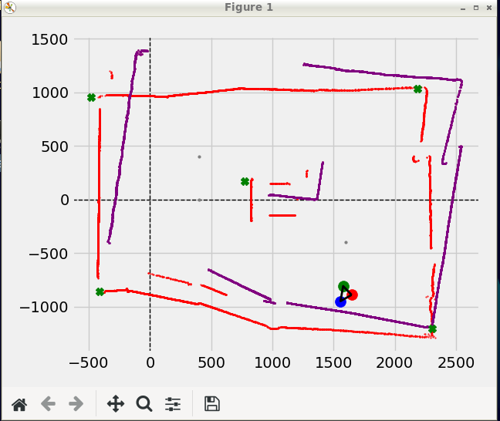
...

Sheet9
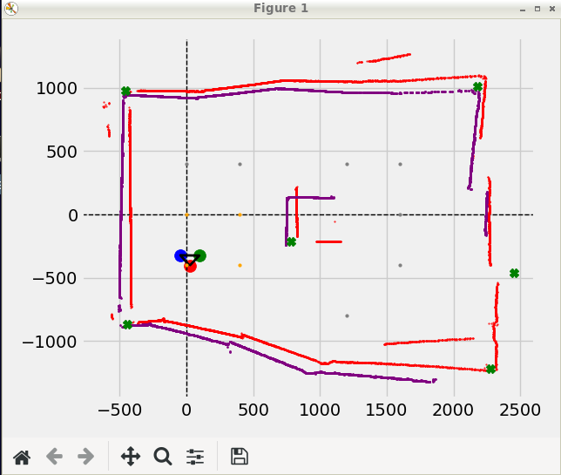
...

Sheet11
...
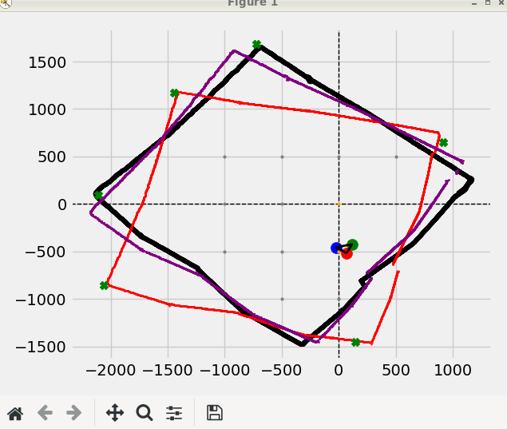
a1 = 3.79018, a2 = 3.84448, a3 = 3.79018, a4 = 4.02911, a5 = 3.63814
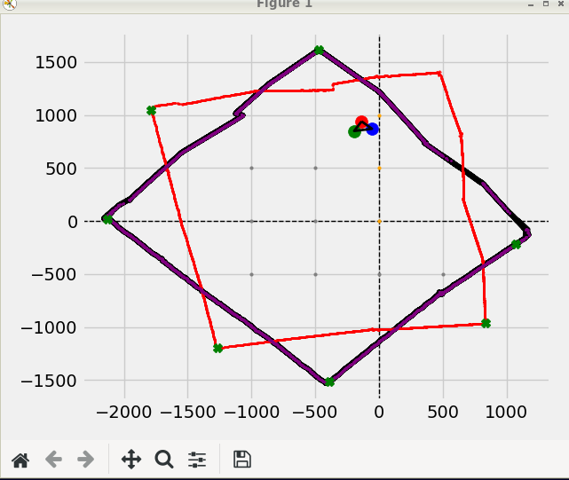
...
MAIN: afta_thread State: x=0.119781, y=-0.162002, w=0.0287642 deg
EKF UPDATE MOTION FOR 786.184mm and 98.3158
D: x = -114.095, y = 777.86, a = 98.3158
used%: x = 608.839, y = 582.413, a =341899
...
MAIN: after_motion State: x=-136.518, y=939.104, w=98.3446 deg
...
Number of CAR points9208B x size = 9208
LM: Corners = (718.896,232.786),(-2399.6,619.21),(-1319.35,-1029.43),(-620.912,2101.42),
B x size = 9208
LM: Corners = (718.417,231.909),(-2399.55,619.249),(-1319.97,-1030.37),(-619.861,2100.73),
B x size = 9208
LM: Corners = (719.002,232.866),(-2396.59,615.118),(-1321.16,-1028.99),(-620.119,2100.41),
B x size = 9208
LM: Corners = (718.877,231.953),(-2399.55,619.249),(-1321.41,-1028.74),(-620.336,2101.56),
B x size = 9208
LM: Corners = (718.983,232.404),(-2393.18,608.998),(-1319.85,-1028.25),(-620.257,2102.43),
DATA: NUMBER OF CORNERS POINTS = 4
(718.983,232.404) | (-2393.18,608.998) | (-1319.85,-1028.25) | (-620.257,2102.43) |
Fit Cartesian for: (-136.518,939.104) | 98.3446
...
D: r = 6.10352e-05, a = 3.41509e-06
G: r = 1.61405e-05, a = 98.3446
used%: r = 26.4446, a = -90.6251
EKF: after_ekf State: x=-136.518, y=939.104, w=98.3446 deg
...
D: r = 0, a = 0
G: r = 0, a = 98.3446
used%: r = nan, a = nan
EKF: after_ekf State: x=-136.518, y=939.104, w=98.3446 deg
...
D: r = 0, a = 0
G: r = 0, a = 98.3446
used%: r = nan, a = nan
EKF: after_ekf State: x=-136.518, y=939.104, w=98.3446 deg
...

Sheet12
...
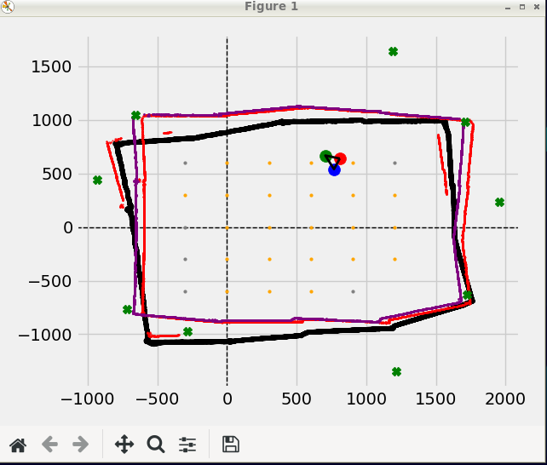
...

Sheet13
...
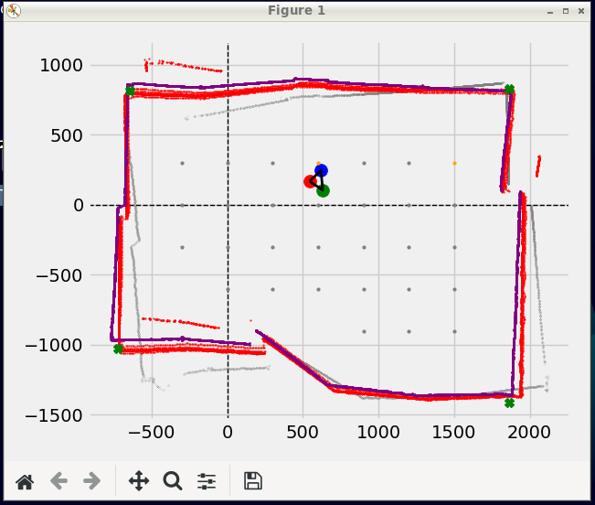

(1863.7,827.256) | (-642.823,815.502) | (-724.027,-1025.44) | (1861.94,-1414.87) |
Fit Cartesian for: (544.032,167.663) | -174.966
GRID: In grid data process
Map Bounds = xmax: 2063.37, xmin-723.61, ymax1045.17, ymin-1393.45
Points Pushed = 1
Traversed = (600,300) 1
GRID:SAVED TO CSV
In pre-map movement
Follow Path(0,0)
mapped = 0Go to -> (0,0)
ClosestPoint = (0,0)
NAVI,GRID rotate angle = 12.095
NAVI,GRID then distance = 552.821
NAVI,GRID to visit: (0,0)
NAVI: wallAvoidance collision Points =
mindistL: 1000 mindistR: 1000
NAVI,GRID rotate angle after avoidance = 12.095
NAVI: AvoidFor avoid: (0,0), From: (532.631,148.038) To : (0,0)
NAVI: m: 0.277938, c = 0
NAVI: Predicted Dist = 802.821
NAVI: Set angle = 12.095 deg Set Distance = 552.821mm
NAVI: Run python
MC started
Distance < 12000 Measured: 4883.23 Read = 802.821
selected = 802.821
Distance < 12000 Measured: 1176.49 Read = 802.821
selected = 802.821
MC:TURN: 12.095024463652653 deg
TIME = 0.23088359832763672 s
LEFT SPEED = 8.87893299848409 rotations/s, ROTATIONS = 2.05 , TICKS = 41
RIGHT SPEED = 0.6496780242793238 rotations/s, ROTATIONS = 0.15 , TICKS = 3
ThetaL = -168.3157894736842 ThetaR = 12.31578947368421
SUBTRACT BIAS FROM ANGLE : 0
12m <= DISTANCE is set to 802.821 || measured = 12085.21
12m <= DISTANCE is set to 802.821 || measured = 12108.19
MC GO FORWARD FOR: 552.821
...

